Step 1.2
Simulated Vo vs. Vsig of a Emitter Follower
Vsig | Vo | IE2
Volts | Volts | Amps
-5 | -4.683471944 | 2.22E-09
-4.5 | -4.683222891 | -3.15E-08
-4 | -4.478348458 | -2.82E-05
-3.5 | -4.024662202 | -9.12E-05
-3 | -3.545408395 | -0.000154394
-2.5 | -3.052497124 | -0.000184739
-2 | -2.552543433 | -0.000184849
-1.5 | -2.052561188 | -0.000184856
-1 | -1.552583107 | -0.000184863
-0.5 | -1.052605049 | -0.000184869
0 | -0.552626997 | -0.000184876
0.5 | -0.052648957 | -0.000184882
1 | 0.447329073 | -0.000184889
1.5 | 0.947307095 | -0.000184896
2 | 1.447285104 | -0.000184902
2.5 | 1.947263105 | -0.000184909
3 | 2.447241098 | -0.000184915
3.5 | 2.947219077 | -0.000184922
4 | 3.447197048 | -0.000184928 | Vbe = 0.5
4.5 | 3.947175007 | -0.000184935
5 | 4.447152922 | -0.000184941

 | 0.99995530708

Step 1.3
Voltage Gain of a CC Amplifier
Frequency | vm(vo) | ph(v(vo)) | Av = 20*log(|Vo|/1mV)
Hz | Volts | deg | dB
100 | 0.00099995607165 | -8.4673248856E-05 | 0.00
102.30597298 | 0.00099995607165 | -8.6625791088E-05 | 0.00
104.66512108 | 0.00099995607165 | -8.8623358416E-05 | 0.00
107.0786705 | 0.00099995607164 | -9.0666989106E-05 | 0.00
109.54787571 | 0.00099995607164 | -9.2757745367E-05 | 0.00
112.07402013 | 0.00099995607163 | -9.4896713902E-05 | 0.00
114.65841676 | 0.00099995607163 | -9.7085006472E-05 | 0.00
117.30240887 | 0.00099995607162 | -9.9323760477E-05 | 0.00
120.00737073 | 0.00099995607162 | -0.00010161413954 | 0.00
122.77470828 | 0.00099995607161 | -0.00010395733413 | 0.00
125.60585988 | 0.00099995607161 | -0.00010635456215 | 0.00
128.50229708 | 0.0009999560716 | -0.0001088070696 | 0.00
131.46552533 | 0.0009999560716 | -0.0001113161312 | 0.00
134.49708483 | 0.00099995607159 | -0.00011388305109 | 0.00
137.59855127 | 0.00099995607158 | -0.00011650916346 | 0.00
140.77153669 | 0.00099995607158 | -0.00011919583326 | 0.00
144.0176903 | 0.00099995607157 | -0.00012194445695 | 0.00
147.33869933 | 0.00099995607156 | -0.00012475646315 | 0.00
150.73628993 | 0.00099995607155 | -0.00012763331345 | 0.00
154.21222805 | 0.00099995607155 | -0.00013057650314 | 0.00
157.76832037 | 0.00099995607154 | -0.00013358756198 | 0.00
161.40641522 | 0.00099995607153 | -0.00013666805503 | 0.00
165.12840355 | 0.00099995607152 | -0.00013981958341 | 0.00
168.93621992 | 0.00099995607151 | -0.00014304378518 | 0.00
172.83184351 | 0.0009999560715 | -0.00014634233617 | 0.00
176.81729913 | 0.00099995607149 | -0.00014971695085 | 0.00
180.89465828 | 0.00099995607148 | -0.00015316938323 | 0.00
185.06604023 | 0.00099995607146 | -0.00015670142776 | 0.00
189.33361312 | 0.00099995607145 | -0.00016031492028 | 0.00
193.69959509 | 0.00099995607144 | -0.00016401173896 | 0.00
198.16625542 | 0.00099995607143 | -0.00016779380527 | 0.00
202.73591574 | 0.00099995607141 | -0.000171663085 | 0.00
207.41095118 | 0.0009999560714 | -0.00017562158928 | 0.00
212.19379168 | 0.00099995607138 | -0.00017967137558 | 0.00
217.0869232 | 0.00099995607137 | -0.00018381454886 | 0.00
222.092889 | 0.00099995607135 | -0.00018805326258 | 0.00
227.21429102 | 0.00099995607133 | -0.00019238971989 | 0.00
232.45379118 | 0.00099995607131 | -0.00019682617473 | 0.00
237.81411281 | 0.00099995607129 | -0.00020136493301 | 0.00
243.298042 | 0.00099995607127 | -0.00020600835382 | 0.00
248.90842912 | 0.00099995607125 | -0.00021075885064 | 0.00
254.64819025 | 0.00099995607123 | -0.00021561889263 | 0.00
260.52030873 | 0.0009999560712 | -0.00022059100586 | 0.00
266.52783666 | 0.00099995607118 | -0.00022567777467 | 0.00
272.67389657 | 0.00099995607115 | -0.00023088184298 | 0.00
278.96168296 | 0.00099995607113 | -0.00023620591568 | 0.00
285.39446401 | 0.0009999560711 | -0.00024165276004 | 0.00
291.97558325 | 0.00099995607107 | -0.00024722520715 | 0.00
298.70846132 | 0.00099995607104 | -0.00025292615336 | 0.00
305.59659774 | 0.00099995607101 | -0.00025875856184 | 0.00
312.64357272 | 0.00099995607097 | -0.00026472546406 | 0.00
319.85304905 | 0.00099995607094 | -0.0002708299614 | 0.00
327.22877395 | 0.0009999560709 | -0.00027707522679 | 0.00
334.77458107 | 0.00099995607086 | -0.00028346450628 | 0.00
342.49439247 | 0.00099995607082 | -0.0002900011208 | 0.00
350.39222063 | 0.00099995607078 | -0.00029668846786 | 0.00
358.47217058 | 0.00099995607073 | -0.00030353002331 | 0.00
366.73844199 | 0.00099995607069 | -0.00031052934314 | 0.00
375.19533138 | 0.00099995607064 | -0.00031769006536 | 0.00
383.84723436 | 0.00099995607059 | -0.00032501591186 | 0.00
392.69864789 | 0.00099995607053 | -0.00033251069036 | 0.00
401.75417262 | 0.00099995607048 | -0.00034017829639 | 0.00
411.0185153 | 0.00099995607042 | -0.00034802271529 | 0.00
420.49649122 | 0.00099995607036 | -0.00035604802432 | 0.00
430.19302671 | 0.00099995607029 | -0.00036425839476 | 0.00
440.11316169 | 0.00099995607023 | -0.00037265809406 | 0.00
450.2620523 | 0.00099995607016 | -0.0003812514881 | 0.00
460.64497358 | 0.00099995607008 | -0.00039004304341 | 0.00
471.26732222 | 0.00099995607001 | -0.00039903732955 | 0.00
482.13461936 | 0.00099995606993 | -0.00040823902142 | 0.00
493.25251343 | 0.00099995606984 | -0.00041765290173 | 0.00
504.62678313 | 0.00099995606975 | -0.0004272838635 | 0.00
516.26334042 | 0.00099995606966 | -0.00043713691254 | 0.00
528.16823358 | 0.00099995606957 | -0.00044721717014 | 0.00
540.34765036 | 0.00099995606946 | -0.00045752987565 | 0.00
552.8079212 | 0.00099995606936 | -0.00046808038925 | 0.00
565.55552251 | 0.00099995606925 | -0.00047887419471 | 0.00
578.59708007 | 0.00099995606913 | -0.00048991690229 | 0.00
591.93937243 | 0.00099995606901 | -0.00050121425158 | 0.00
605.58933444 | 0.00099995606888 | -0.00051277211453 | 0.00
619.55406089 | 0.00099995606875 | -0.00052459649853 | 0.00
633.84081015 | 0.00099995606861 | -0.00053669354945 | 0.00
648.457008 | 0.00099995606847 | -0.00054906955492 | 0.00
663.41025142 | 0.00099995606832 | -0.00056173094753 | 0.00
678.70831259 | 0.00099995606816 | -0.00057468430822 | 0.00
694.35914292 | 0.00099995606799 | -0.00058793636968 | 0.00
710.37087717 | 0.00099995606781 | -0.00060149401986 | 0.00
726.75183769 | 0.00099995606763 | -0.00061536430553 | 0.00
743.51053873 | 0.00099995606744 | -0.00062955443595 | 0.00
760.65569088 | 0.00099995606724 | -0.00064407178666 | 0.00
778.19620562 | 0.00099995606703 | -0.00065892390323 | 0.00
796.14119989 | 0.00099995606681 | -0.00067411850526 | 0.00
814.50000087 | 0.00099995606658 | -0.00068966349033 | 0.00
833.28215085 | 0.00099995606634 | -0.00070556693817 | 0.00
852.49741213 | 0.00099995606609 | -0.00072183711481 | 0.00
872.15577214 | 0.00099995606583 | -0.00073848247687 | 0.00
892.26744863 | 0.00099995606555 | -0.000755511676 | 0.00
912.84289494 | 0.00099995606526 | -0.00077293356335 | 0.00
933.89280549 | 0.00099995606496 | -0.00079075719416 | 0.00
955.42812129 | 0.00099995606465 | -0.00080899183249 | 0.00
977.46003565 | 0.00099995606432 | -0.00082764695603 | 0.00
1000 | 0.00099995606397 | -0.00084673226099 | 0.00
1023.0597298 | 0.00099995606361 | -0.00086625766721 | 0.00
1046.6512108 | 0.00099995606323 | -0.00088623332324 | 0.00
1070.786705 | 0.00099995606283 | -0.00090666961167 | 0.00
1095.4787571 | 0.00099995606242 | -0.00092757715451 | 0.00
1120.7402013 | 0.00099995606198 | -0.00094896681868 | 0.00
1146.5841676 | 0.00099995606153 | -0.0009708497217 | 0.00
1173.0240887 | 0.00099995606105 | -0.00099323723746 | 0.00
1200.0737073 | 0.00099995606055 | -0.0010161410021 | 0.00
1227.7470828 | 0.00099995606003 | -0.0010395729202 | 0.00
1256.0585988 | 0.00099995605949 | -0.0010635451705 | 0.00
1285.0229708 | 0.00099995605892 | -0.0010880702131 | 0.00
1314.6552533 | 0.00099995605832 | -0.001113160795 | 0.00
1344.9708483 | 0.00099995605769 | -0.0011388299573 | 0.00
1375.9855127 | 0.00099995605704 | -0.0011650910417 | 0.00
1407.7153669 | 0.00099995605635 | -0.0011919576978 | 0.00
1440.176903 | 0.00099995605563 | -0.0012194438897 | 0.00
1473.3869933 | 0.00099995605488 | -0.0012475639036 | 0.00
1507.3628993 | 0.0009999560541 | -0.0012763323551 | 0.00
1542.1222805 | 0.00099995605327 | -0.0013057641968 | 0.00
1577.6832037 | 0.00099995605241 | -0.0013358747262 | 0.00
1614.0641522 | 0.00099995605151 | -0.0013666795934 | 0.00
1651.2840355 | 0.00099995605057 | -0.0013981948095 | 0.00
1689.3621992 | 0.00099995604958 | -0.0014304367546 | 0.00
1728.3184351 | 0.00099995604855 | -0.0014634221869 | 0.00
1768.1729913 | 0.00099995604747 | -0.0014971682505 | 0.00
1808.9465828 | 0.00099995604633 | -0.0015316924852 | 0.00
1850.6604023 | 0.00099995604515 | -0.0015670128352 | 0.00
1893.3361312 | 0.00099995604391 | -0.0016031476583 | 0.00
1936.9959509 | 0.00099995604261 | -0.0016401157358 | 0.00
1981.6625542 | 0.00099995604125 | -0.0016779362818 | 0.00
2027.3591574 | 0.00099995603983 | -0.0017166289538 | 0.00
2074.1095118 | 0.00099995603834 | -0.0017562138623 | 0.00
2121.9379168 | 0.00099995603679 | -0.0017967115816 | 0.00
2170.869232 | 0.00099995603516 | -0.0018381431605 | 0.00
2220.92889 | 0.00099995603345 | -0.0018805301329 | 0.00
2272.1429102 | 0.00099995603166 | -0.0019238945296 | 0.00
2324.5379118 | 0.00099995602979 | -0.001968258889 | 0.00
2378.1411281 | 0.00099995602784 | -0.0020136462694 | 0.00
2432.98042 | 0.00099995602579 | -0.0020600802609 | 0.00
2489.0842912 | 0.00099995602365 | -0.0021075849971 | 0.00
2546.4819025 | 0.0009999560214 | -0.0021561851686 | 0.00
2605.2030873 | 0.00099995601906 | -0.0022059060349 | 0.00
2665.2783666 | 0.0009999560166 | -0.0022567734382 | 0.00
2726.7389657 | 0.00099995601403 | -0.0023088138163 | 0.00
2789.6168296 | 0.00099995601134 | -0.0023620542167 | 0.00
2853.9446401 | 0.00099995600852 | -0.0024165223107 | 0.00
2919.7558325 | 0.00099995600557 | -0.0024722464073 | 0.00
2987.0846132 | 0.00099995600248 | -0.0025292554685 | 0.00
3055.9659774 | 0.00099995599925 | -0.0025875791239 | 0.00
3126.4357272 | 0.00099995599587 | -0.0026472476863 | 0.00
3198.5304905 | 0.00099995599233 | -0.0027082921676 | 0.00
3272.2877395 | 0.00099995598863 | -0.0027707442943 | 0.00
3347.7458107 | 0.00099995598475 | -0.0028346365248 | 0.00
3424.9439247 | 0.00099995598069 | -0.0029000020656 | 0.00
3503.9222063 | 0.00099995597645 | -0.0029668748891 | 0.00
3584.7217058 | 0.000999955972 | -0.0030352897505 | 0.00
3667.3844199 | 0.00099995596735 | -0.0031052822068 | 0.00
3751.9533138 | 0.00099995596248 | -0.0031768886345 | 0.00
3838.4723436 | 0.00099995595738 | -0.0032501462487 | 0.00
3926.9864789 | 0.00099995595205 | -0.0033250931227 | 0.00
4017.5417262 | 0.00099995594647 | -0.0034017682074 | 0.00
4110.185153 | 0.00099995594062 | -0.0034802113519 | 0.00
4204.9649122 | 0.00099995593451 | -0.0035604633237 | 0.00
4301.9302671 | 0.0009999559281 | -0.0036425658304 | 0.00
4401.1316169 | 0.0009999559214 | -0.003726561541 | 0.00
4502.620523 | 0.00099995591439 | -0.0038124941081 | 0.00
4606.4497358 | 0.00099995590705 | -0.0039004081909 | 0.00
4712.6732222 | 0.00099995589937 | -0.0039903494777 | 0.00
4821.3461936 | 0.00099995589133 | -0.0040823647104 | 0.00
4932.5251343 | 0.00099995588291 | -0.0041765017082 | 0.00
5046.2678313 | 0.0009999558741 | -0.0042728093928 | 0.00
5162.6334042 | 0.00099995586488 | -0.0043713378133 | 0.00
5281.6823358 | 0.00099995585523 | -0.0044721381728 | 0.00
5403.4765036 | 0.00099995584513 | -0.0045752628546 | 0.00
5528.079212 | 0.00099995583456 | -0.0046807654492 | 0.00
5655.5552251 | 0.0009999558235 | -0.0047887007826 | 0.00
5785.9708007 | 0.00099995581192 | -0.0048991249444 | 0.00
5919.3937243 | 0.0009999557998 | -0.0050120953171 | 0.00
6055.8933444 | 0.00099995578711 | -0.0051276706057 | 0.00
6195.5406089 | 0.00099995577383 | -0.0052459108682 | 0.00
6338.4081015 | 0.00099995575994 | -0.0053668775467 | 0.00
6484.57008 | 0.00099995574539 | -0.0054906334994 | 0.00
6634.1025142 | 0.00099995573017 | -0.0056172430332 | 0.00
6787.0831259 | 0.00099995571423 | -0.005746771937 | 0.00
6943.5914292 | 0.00099995569756 | -0.0058792875155 | 0.00
7103.7087717 | 0.0009999556801 | -0.0060148586247 | 0.00
7267.5183769 | 0.00099995566183 | -0.0061535557071 | 0.00
7435.1053873 | 0.00099995564271 | -0.0062954508283 | 0.00
7606.5569088 | 0.00099995562269 | -0.0064406177147 | 0.00
7781.9620562 | 0.00099995560175 | -0.0065891317911 | 0.00
7961.4119989 | 0.00099995557982 | -0.0067410702201 | 0.00
8145.0000087 | 0.00099995555687 | -0.0068965119424 | 0.00
8332.8215085 | 0.00099995553286 | -0.0070555377169 | 0.00
8524.9741213 | 0.00099995550772 | -0.0072182301633 | 0.00
8721.5577214 | 0.00099995548063 | -0.0073846737934 | 0.00
8922.6744863 | 0.00099995545309 | -0.0075549550983 | 0.00
9128.4289494 | 0.00099995542427 | -0.007729162529 | 0.00
9338.9280549 | 0.0009999553941 | -0.0079073865844 | 0.00
9554.2812129 | 0.00099995536252 | -0.0080897198476 | 0.00
9774.6003565 | 0.00099995532948 | -0.0082762570342 | 0.00
10000 | 0.00099995529489 | -0.0084670950407 | 0.00
10230.597298 | 0.00099995525868 | -0.0086623329949 | 0.00
10466.512108 | 0.00099995522079 | -0.0088620723071 | 0.00
10707.86705 | 0.00099995518113 | -0.0090664167223 | 0.00
10954.787571 | 0.00099995513962 | -0.0092754723743 | 0.00
11207.402013 | 0.00099995509617 | -0.0094893478398 | 0.00
11465.841676 | 0.0009999550507 | -0.009708154195 | 0.00
11730.240887 | 0.00099995500311 | -0.0099320050725 | 0.00
12000.737073 | 0.00099995495329 | -0.01016101672 | 0.00
12277.470828 | 0.00099995490115 | -0.010395308062 | 0.00
12560.585988 | 0.00099995484658 | -0.010635000756 | 0.00
12850.229708 | 0.00099995478947 | -0.010880219262 | 0.00
13146.552533 | 0.00099995472969 | -0.011131090902 | 0.00
13449.708483 | 0.00099995466712 | -0.011387745927 | 0.00
13759.855127 | 0.00099995460163 | -0.011650317583 | 0.00
14077.153669 | 0.00099995453309 | -0.011918942181 | 0.00
14401.76903 | 0.00099995446135 | -0.012193759167 | 0.00
14733.869933 | 0.00099995438626 | -0.012474911193 | 0.00
15073.628993 | 0.00099995430767 | -0.012762544189 | 0.00
15421.222805 | 0.00099995422503 | -0.013056807432 | 0.00
15776.832037 | 0.00099995413894 | -0.013357853656 | 0.00
16140.641522 | 0.00099995404884 | -0.013665839077 | 0.00
16512.840355 | 0.00099995395453 | -0.01398092351 | 0.00
16893.621992 | 0.00099995385582 | -0.014303270439 | 0.00
17283.184351 | 0.00099995375251 | -0.014633047107 | 0.00
17681.729913 | 0.00099995364438 | -0.014970424592 | 0.00
18089.465828 | 0.00099995353042 | -0.01531557788 | 0.00
18506.604023 | 0.00099995341197 | -0.015668686041 | 0.00
18933.361312 | 0.00099995328799 | -0.016029932185 | 0.00
19369.959509 | 0.00099995315823 | -0.016399503647 | 0.00
19816.625542 | 0.00099995302242 | -0.016777592058 | 0.00
20273.591574 | 0.00099995288027 | -0.017164393443 | 0.00
20741.095118 | 0.00099995273149 | -0.017560108324 | 0.00
21219.379168 | 0.00099995257578 | -0.017964941813 | 0.00
21708.69232 | 0.0009999524128 | -0.018379103728 | 0.00
22209.2889 | 0.00099995224144 | -0.01880280866 | 0.00
22721.429102 | 0.0009999520629 | -0.0192362762 | 0.00
23245.379118 | 0.00099995187604 | -0.019679730881 | 0.00
23781.411281 | 0.00099995168008 | -0.020133402387 | 0.00
24329.8042 | 0.00099995147538 | -0.020597525701 | 0.00
24890.842912 | 0.00099995126113 | -0.021072341134 | 0.00
25464.819025 | 0.0009999510369 | -0.021558094505 | 0.00
26052.030873 | 0.0009999508022 | -0.022055037249 | 0.00
26652.783666 | 0.00099995055657 | -0.022563426542 | 0.00
27267.389657 | 0.0009999502987 | -0.023083525399 | 0.00
27896.168296 | 0.00099995002962 | -0.023615602935 | 0.00
28539.446401 | 0.0009999497476 | -0.024159934285 | 0.00
29197.558325 | 0.00099994945284 | -0.02471680094 | 0.00
29870.846132 | 0.00099994914395 | -0.025286490733 | 0.00
30559.659774 | 0.00099994882105 | -0.025869298124 | 0.00
31264.357272 | 0.00099994848272 | -0.026465524195 | 0.00
31985.304905 | 0.00099994812902 | -0.027075476954 | 0.00
32722.877395 | 0.00099994775882 | -0.027699471349 | 0.00
33477.458107 | 0.00099994737059 | -0.028337829457 | 0.00
34249.439247 | 0.00099994696507 | -0.028990880788 | 0.00
35039.222063 | 0.00099994654026 | -0.029658962179 | 0.00
35847.217058 | 0.00099994609605 | -0.030342418203 | 0.00
36673.844199 | 0.00099994563113 | -0.031041601169 | 0.00
37519.533138 | 0.00099994514377 | -0.031756871329 | 0.00
38384.723436 | 0.0009999446341 | -0.032488597191 | 0.00
39269.864789 | 0.00099994410109 | -0.033237155516 | 0.00
40175.417262 | 0.00099994354285 | -0.034002931509 | 0.00
41101.85153 | 0.00099994295821 | -0.034786319103 | 0.00
42049.649122 | 0.00099994234675 | -0.035587721146 | 0.00
43019.302671 | 0.0009999417072 | -0.036407549492 | 0.00
44011.316169 | 0.00099994103707 | -0.03724622516 | 0.00
45026.20523 | 0.00099994033614 | -0.038104178769 | 0.00
46064.497358 | 0.00099993960294 | -0.038981850501 | 0.00
47126.732222 | 0.00099993883481 | -0.039879690293 | 0.00
48213.461936 | 0.00099993803131 | -0.040798158299 | 0.00
49325.251343 | 0.00099993719001 | -0.041737724786 | 0.00
50462.678313 | 0.00099993630993 | -0.042698870607 | 0.00
51626.334042 | 0.00099993538849 | -0.043682087174 | 0.00
52816.823358 | 0.00099993442454 | -0.044687876925 | 0.00
54034.765036 | 0.00099993341533 | -0.045716753292 | 0.00
55280.79212 | 0.00099993235954 | -0.04676924118 | 0.00
56555.552251 | 0.0009999312542 | -0.047845876933 | 0.00
57859.708007 | 0.00099993009782 | -0.04894720883 | 0.00
59193.937243 | 0.00099992888722 | -0.050073797046 | 0.00
60558.933444 | 0.0009999276199 | -0.051226214089 | 0.00
61955.406089 | 0.00099992629402 | -0.052405045048 | 0.00
63384.081015 | 0.00099992490607 | -0.053610887606 | 0.00
64845.7008 | 0.00099992345434 | -0.054844352623 | 0.00
66341.025142 | 0.00099992193429 | -0.056106063913 | 0.00
67870.831259 | 0.00099992034394 | -0.057396659039 | 0.00
69435.914292 | 0.00099991867924 | -0.058716789081 | 0.00
71037.087717 | 0.00099991693713 | -0.060067119211 | 0.00
72675.183769 | 0.00099991511404 | -0.061448328773 | 0.00
74351.053873 | 0.00099991320581 | -0.062861111529 | 0.00
76065.569088 | 0.00099991120929 | -0.064306176092 | 0.00
77819.620562 | 0.00099990911999 | -0.065784245903 | 0.00
79614.119989 | 0.00099990693359 | -0.067296059655 | 0.00
81450.000087 | 0.00099990464523 | -0.068842371454 | 0.00
83328.215085 | 0.00099990225057 | -0.070423951204 | 0.00
85249.741213 | 0.00099989974509 | -0.072041584767 | 0.00
87215.577214 | 0.00099989712247 | -0.073696073982 | 0.00
89226.744863 | 0.00099989437849 | -0.075388237432 | 0.00
91284.289494 | 0.00099989150676 | -0.077118910099 | 0.00
93389.280549 | 0.00099988850215 | -0.078888944076 | 0.00
95542.812129 | 0.00099988535773 | -0.080699208351 | 0.00
97746.003565 | 0.00099988206667 | -0.082550589294 | 0.00
100000 | 0.00099987862419 | -0.08444399119 | 0.00
102305.97298 | 0.0009998750209 | -0.086380335406 | 0.00
104665.12108 | 0.000999871251 | -0.088360561866 | 0.00
107078.6705 | 0.0009998673064 | -0.090385628314 | 0.00
109547.87571 | 0.00099986317906 | -0.092456510856 | 0.00
112074.02013 | 0.00099985885978 | -0.094574203916 | 0.00
114658.41676 | 0.00099985434054 | -0.096739720794 | 0.00
117302.40887 | 0.00099984961293 | -0.098954093535 | 0.00
120007.37073 | 0.00099984466538 | -0.10121837252 | 0.00
122774.70828 | 0.00099983948902 | -0.10353362764 | 0.00
125605.85988 | 0.00099983407374 | -0.10590094767 | 0.00
128502.29708 | 0.0009998284074 | -0.10832144009 | 0.00
131465.52533 | 0.00099982248007 | -0.11079623206 | 0.00
134497.08483 | 0.00099981627823 | -0.11332646912 | 0.00
137598.55127 | 0.00099980978975 | -0.11591331629 | 0.00
140771.53669 | 0.00099980300154 | -0.11855795745 | 0.00
144017.6903 | 0.00099979590072 | -0.12126159552 | 0.00
147338.69933 | 0.00099978847222 | -0.1240254518 | 0.00
150736.28993 | 0.00099978070154 | -0.12685076641 | 0.00
154212.22805 | 0.00099977257232 | -0.12973879746 | 0.00
157768.32037 | 0.00099976406908 | -0.13269082151 | 0.00
161406.41522 | 0.00099975517445 | -0.13570813249 | 0.00
165128.40355 | 0.00099974587109 | -0.13879204187 | 0.00
168936.21992 | 0.00099973614049 | -0.14194387788 | 0.00
172831.84351 | 0.00099972596256 | -0.14516498488 | 0.00
176817.29913 | 0.00099971531753 | -0.14845672329 | 0.00
180894.65828 | 0.00099970418514 | -0.15182046878 | 0.00
185066.04023 | 0.00099969254187 | -0.15525761068 | 0.00
189333.61312 | 0.00099968036639 | -0.15876955276 | 0.00
193699.59509 | 0.00099966763326 | -0.16235771048 | 0.00
198166.25542 | 0.00099965431872 | -0.16602351168 | 0.00
202735.91574 | 0.00099964039681 | -0.16976839433 | 0.00
207410.95118 | 0.00099962584004 | -0.17359380544 | 0.00
212193.79168 | 0.00099961061982 | -0.1775011999 | 0.00
217086.9232 | 0.00099959470633 | -0.18149203888 | 0.00
222092.889 | 0.00099957807047 | -0.18556778896 | 0.00
227214.29102 | 0.00099956067954 | -0.18972991885 | 0.00
232453.79118 | 0.00099954249991 | -0.19397989839 | 0.00
237814.11281 | 0.00099952349694 | -0.19831919641 | 0.00
243298.042 | 0.00099950363538 | -0.20274927868 | 0.00
248908.42912 | 0.00099948287616 | -0.20727160421 | 0.00
254648.19025 | 0.00099946118219 | -0.21188762488 | 0.00
260520.30873 | 0.00099943851135 | -0.2165987798 | 0.00
266527.83666 | 0.0009994148218 | -0.22140649437 | -0.01
272673.89657 | 0.00099939007008 | -0.22631217623 | -0.01
278961.68296 | 0.00099936420981 | -0.23131721117 | -0.01
285394.46401 | 0.00099933719443 | -0.23642296047 | -0.01
291975.58325 | 0.00099930897474 | -0.24163075584 | -0.01
298708.46132 | 0.00099927949857 | -0.24694189479 | -0.01
305596.59774 | 0.00099924871332 | -0.25235763724 | -0.01
312643.57272 | 0.00099921656485 | -0.25787920001 | -0.01
319853.04905 | 0.00099918299546 | -0.26350775062 | -0.01
327228.77395 | 0.00099914794613 | -0.2692444027 | -0.01
334774.58107 | 0.00099911135614 | -0.27509020991 | -0.01
342494.39247 | 0.00099907316186 | -0.2810461589 | -0.01
350392.22063 | 0.00099903329745 | -0.28711316303 | -0.01
358472.17058 | 0.00099899169641 | -0.29329205611 | -0.01
366738.44199 | 0.00099894828687 | -0.29958358225 | -0.01
375195.33138 | 0.00099890299816 | -0.30598839169 | -0.01
383847.23436 | 0.00099885575535 | -0.31250702933 | -0.01
392698.64789 | 0.00099880648044 | -0.31913992661 | -0.01
401754.17262 | 0.00099875509534 | -0.3258873941 | -0.01
411018.5153 | 0.00099870151811 | -0.33274960957 | -0.01
420496.49122 | 0.0009986456652 | -0.33972660928 | -0.01
430193.02671 | 0.00099858744876 | -0.34681827566 | -0.01
440113.16169 | 0.00099852678134 | -0.35402432929 | -0.01
450262.0523 | 0.00099846357201 | -0.36134431505 | -0.01
460644.97358 | 0.00099839772638 | -0.36877759001 | -0.01
471267.32222 | 0.00099832915017 | -0.37632331371 | -0.01
482134.61936 | 0.000998257745 | -0.38398043232 | -0.02
493252.51343 | 0.00099818341114 | -0.39174766754 | -0.02
504626.78313 | 0.0009981060465 | -0.39962350223 | -0.02
516263.34042 | 0.00099802554743 | -0.4076061672 | -0.02
528168.23358 | 0.0009979418089 | -0.41569362716 | -0.02
540347.65036 | 0.00099785472343 | -0.42388356539 | -0.02
552807.9212 | 0.00099776418245 | -0.43217337017 | -0.02
565555.52251 | 0.00099767007491 | -0.44056011872 | -0.02
578597.08007 | 0.00099757229094 | -0.44904056541 | -0.02
591939.37243 | 0.00099747071782 | -0.45761112334 | -0.02
605589.33444 | 0.00099736524336 | -0.46626785236 | -0.02
619554.06089 | 0.00099725575341 | -0.47500644203 | -0.02
633840.81015 | 0.00099714213524 | -0.48382220028 | -0.02
648457.008 | 0.00099702427598 | -0.49271003769 | -0.03
663410.25142 | 0.00099690206291 | -0.50166445423 | -0.03
678708.31259 | 0.00099677538501 | -0.51067952758 | -0.03
694359.14292 | 0.00099664413067 | -0.51974889854 | -0.03
710370.87717 | 0.00099650819236 | -0.52886576435 | -0.03
726751.83769 | 0.00099636746357 | -0.53802286524 | -0.03
743510.53873 | 0.0009962218409 | -0.54721247747 | -0.03
760655.69088 | 0.00099607122377 | -0.55642640525 | -0.03
778196.20562 | 0.00099591551495 | -0.56565597525 | -0.04
796141.19989 | 0.00099575462267 | -0.57489203461 | -0.04
814500.00087 | 0.00099558845852 | -0.58412494617 | -0.04
833282.15085 | 0.00099541694151 | -0.59334459308 | -0.04
852497.41213 | 0.00099523999487 | -0.60254037715 | -0.04
872155.77214 | 0.00099505755053 | -0.61170122909 | -0.04
892267.44863 | 0.00099486954514 | -0.62081561117 | -0.04
912842.89494 | 0.00099467592656 | -0.62987153581 | -0.05
933892.80549 | 0.00099447664951 | -0.63885657382 | -0.05
955428.12129 | 0.00099427167741 | -0.64775787354 | -0.05
977460.03565 | 0.0009940609865 | -0.65656218693 | -0.05
1000000 | 0.00099384456155 | -0.66525588768 | -0.05

Step 1.6
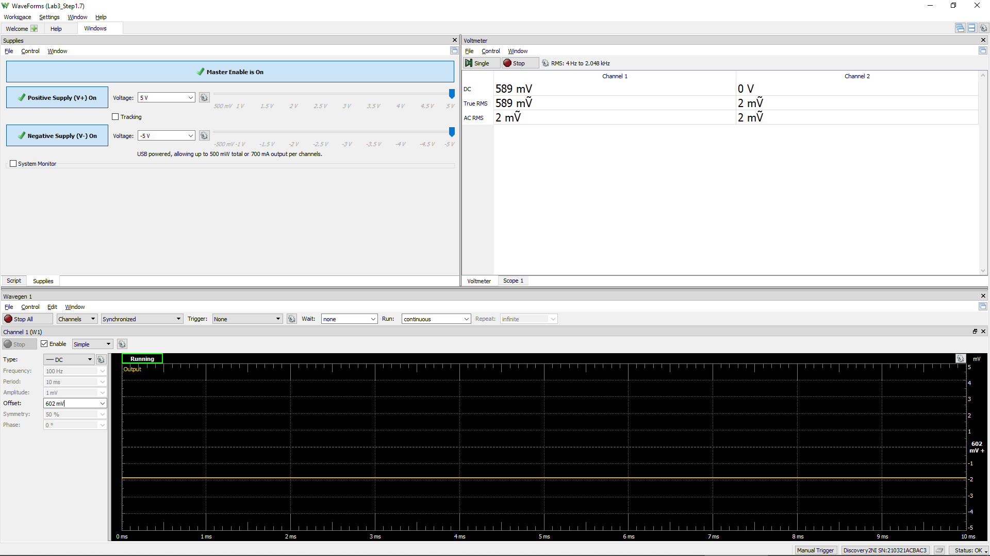
Measured Vo vs. Vsig of a Emitter Follower
Vsig (W1) | Vsig (CH1) | Vo (CH2)
Volts | Volts | Volts
-5 | -5.0242 | -4.5902
-4.5 | -4.525 | -4.588
-4 | -4.024 | -4.5448
-3.5 | -3.524 | -4.1086
-3 | -3.0206 | -3.6274
-2.5 | -2.5202 | -3.136
-2 | -2.0204 | -2.6342
-1.5 | -1.52 | -2.1324
-1 | -1.019 | -1.6334
-0.5 | -0.52 | -1.1342
0 | -0.02 | -0.6386
0.5 | 0.4822 | -0.135
1 | 0.9838 | 0.3668
1.5 | 1.4814 | 0.865
2 | 1.984 | 1.3648
2.5 | 2.484 | 1.8678
3 | 2.9842 | 2.3698
3.5 | 3.4846 | 2.8688
4 | 3.985 | 3.3702
4.5 | 4.4858 | 3.8686
5 | 4.9848 | 4.3666

Step 1.8
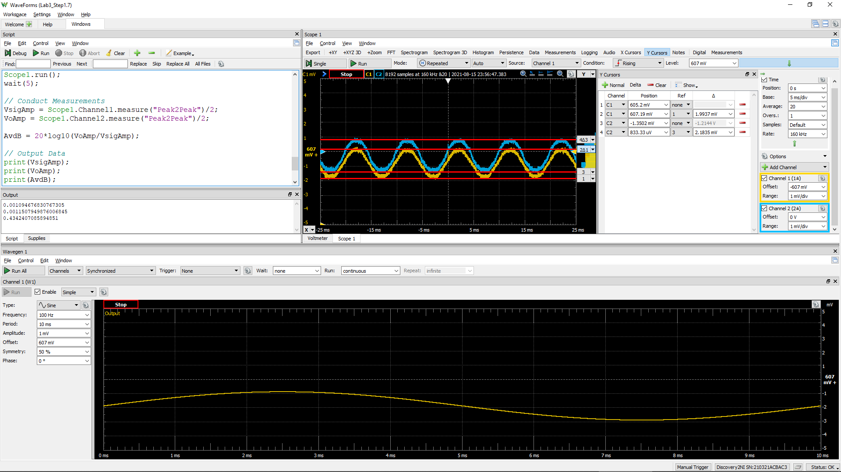
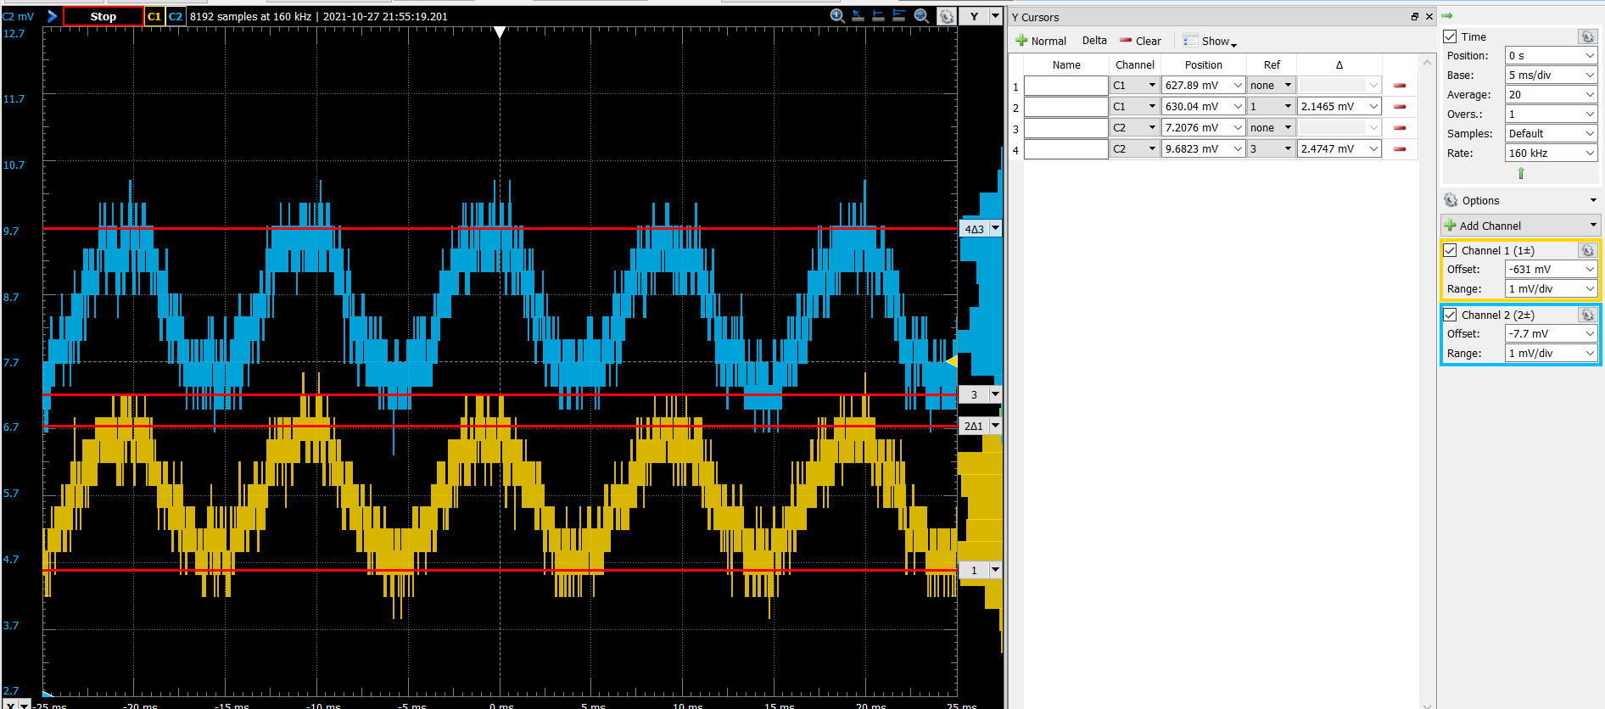
DC1 (V) = Vsig(Peak2Peak) | DC2 (V) = Vo(Peak2Peak) | Voltage Gain Av (dB)
2.15E-03 | 2.47E-03 | 1.2 | 1.15

Step 2.2
IREF and Io Relationship
IREF | Io | Vin | Vo | VEC(Q1) = VEB(Q1) | VEC(Q2)
Amps | Amps | Volts | Volts | Volts | Volts
0.0001 | 0.00010389989488 | 4.4231660005 | -3.9610010115 | 0.58 | 8.96
0.00011 | 0.0001142391674 | 4.4196246123 | -3.8576082874 | 0.58 | 8.86
0.00012 | 0.00012455254695 | 4.4167029487 | -3.7544744929 | 0.58 | 8.75
0.00013 | 0.00013485929052 | 4.4138726948 | -3.6514070582 | 0.59 | 8.65
0.00014 | 0.00014515277603 | 4.4112464713 | -3.5484722042 | 0.59 | 8.55
0.00015 | 0.00015543294444 | 4.4088017119 | -3.4456705211 | 0.59 | 8.45
0.00016 | 0.00016569972245 | 4.4065144444 | -3.3430027421 | 0.59 | 8.34
0.00017 | 0.00017595305256 | 4.404365528 | -3.2404694419 | 0.60 | 8.24
0.00018 | 0.00018619288832 | 4.4023391429 | -3.1380710854 | 0.60 | 8.14
0.00019 | 0.00019641919215 | 4.4004220337 | -3.0358080482 | 0.60 | 8.04
0.0002 | 0.00020663193389 | 4.398602985 | -2.9336806317 | 0.60 | 7.93
0.00021 | 0.00021683108965 | 4.3968724238 | -2.8316890752 | 0.60 | 7.83
0.00022 | 0.00022701664078 | 4.3952221136 | -2.7298335649 | 0.60 | 7.73
0.00023 | 0.00023718857319 | 4.3936449165 | -2.6281142419 | 0.61 | 7.63
0.00024 | 0.00024734687668 | 4.3921346065 | -2.5265312079 | 0.61 | 7.53
0.00025 | 0.00025749154444 | 4.3906857205 | -2.4250845313 | 0.61 | 7.43
0.00026 | 0.0002676225726 | 4.3892934383 | -2.3237742508 | 0.61 | 7.32
0.00027 | 0.00027773995987 | 4.3879534856 | -2.2226003791 | 0.61 | 7.22
0.00028 | 0.00028784370724 | 4.3866620549 | -2.1215629064 | 0.61 | 7.12
0.00029 | 0.00029793381773 | 4.3854157395 | -2.0206618025 | 0.61 | 7.02
0.0003 | 0.00030801029614 | 4.3842114793 | -1.9198970194 | 0.62 | 6.92
0.00031 | 0.00031807314888 | 4.3830465153 | -1.819268493 | 0.62 | 6.82
0.00032 | 0.00032812238376 | 4.3819183515 | -1.7187761452 | 0.62 | 6.72
0.00033 | 0.00033815800992 | 4.3808247224 | -1.6184198846 | 0.62 | 6.62
0.00034 | 0.00034818003763 | 4.3797635654 | -1.5181996086 | 0.62 | 6.52
0.00035 | 0.00035818847821 | 4.3787329972 | -1.4181152037 | 0.62 | 6.42
0.00036 | 0.00036818334393 | 4.377731294 | -1.3181665475 | 0.62 | 6.32
0.00037 | 0.00037816464793 | 4.3767568735 | -1.2183535085 | 0.62 | 6.22
0.00038 | 0.00038813240413 | 4.3758082802 | -1.1186759475 | 0.62 | 6.12
0.00039 | 0.00039808662714 | 4.3748841719 | -1.0191337184 | 0.63 | 6.02
0.0004 | 0.00040802733226 | 4.3739833086 | -0.91972666819 | 0.63 | 5.92
0.00041 | 0.00041795453536 | 4.3731045418 | -0.82045463821 | 0.63 | 5.82
0.00042 | 0.00042786825286 | 4.3722468064 | -0.72131746418 | 0.63 | 5.72
0.00043 | 0.00043776850169 | 4.3714091124 | -0.62231497686 | 0.63 | 5.62
0.00044 | 0.00044765529924 | 4.3705905381 | -0.52344700235 | 0.63 | 5.52
0.00045 | 0.00045752866332 | 4.3697902239 | -0.42471336255 | 0.63 | 5.42
0.00046 | 0.00046738861213 | 4.369007367 | -0.32611387544 | 0.63 | 5.33
0.00047 | 0.00047723516423 | 4.3682412163 | -0.22764835538 | 0.63 | 5.23
0.00048 | 0.00048706833853 | 4.3674910682 | -0.12931661341 | 0.63 | 5.13
0.00049 | 0.00049688815422 | 4.3667562627 | -0.031118457523 | 0.63 | 5.03
0.0005 | 0.00050669463078 | 4.3660361796 | 0.066946307153 | 0.63 | 4.93
0.00051 | 0.00051648778798 | 4.3653302358 | 0.16487787812 | 0.63 | 4.84
0.00052 | 0.00052626764579 | 4.3646378821 | 0.26267645527 | 0.64 | 4.74
0.00053 | 0.00053603422444 | 4.3639586006 | 0.36034224079 | 0.64 | 4.64
0.00054 | 0.00054578754435 | 4.3632919025 | 0.45787543893 | 0.64 | 4.54
0.00055 | 0.00055552762614 | 4.362637326 | 0.55527625584 | 0.64 | 4.44
0.00056 | 0.0005652544906 | 4.3619944342 | 0.65254489951 | 0.64 | 4.35
0.00057 | 0.0005749681587 | 4.3613628133 | 0.74968157954 | 0.64 | 4.25
0.00058 | 0.00058466865155 | 4.3607420712 | 0.84668650707 | 0.64 | 4.15
0.00059 | 0.00059435599041 | 4.360131836 | 0.94355989467 | 0.64 | 4.06
0.0006 | 0.00060403019666 | 4.3595317544 | 1.0403019562 | 0.64 | 3.96
0.00061 | 0.00061369129181 | 4.3589414907 | 1.1369129068 | 0.64 | 3.86
0.00062 | 0.00062333929749 | 4.3583607255 | 1.2333929625 | 0.64 | 3.77
0.00063 | 0.0006329742354 | 4.3577891549 | 1.3297423408 | 0.64 | 3.67
0.00064 | 0.00064259612739 | 4.3572264892 | 1.4259612596 | 0.64 | 3.57
0.00065 | 0.00065220499535 | 4.3566724523 | 1.5220499382 | 0.64 | 3.48
0.00066 | 0.00066180086126 | 4.3561267806 | 1.6180085964 | 0.64 | 3.38
0.00067 | 0.0006713837472 | 4.3555892225 | 1.7138374549 | 0.64 | 3.29
0.00068 | 0.0006809536753 | 4.3550595376 | 1.8095367349 | 0.64 | 3.19
0.00069 | 0.00069051066774 | 4.3545374959 | 1.9051066583 | 0.65 | 3.09
0.0007 | 0.00070005474677 | 4.3540228775 | 2.0005474477 | 0.65 | 3.00
0.00071 | 0.00070958593471 | 4.3535154718 | 2.0958593261 | 0.65 | 2.90
0.00072 | 0.00071910425389 | 4.353015077 | 2.191042517 | 0.65 | 2.81
0.00073 | 0.00072860972671 | 4.3525214996 | 2.2860972443 | 0.65 | 2.71
0.00074 | 0.0007381023756 | 4.3520345542 | 2.3810237322 | 0.65 | 2.62
0.00075 | 0.00074758222303 | 4.3515540626 | 2.4758222055 | 0.65 | 2.52
0.00076 | 0.00075704929148 | 4.351079854 | 2.5704928891 | 0.65 | 2.43
0.00077 | 0.00076650360347 | 4.3506117639 | 2.6650360081 | 0.65 | 2.33
0.00078 | 0.00077594518156 | 4.3501496346 | 2.759451788 | 0.65 | 2.24
0.00079 | 0.0007853740483 | 4.3496933141 | 2.8537404544 | 0.65 | 2.15
0.0008 | 0.00079479022627 | 4.3492426563 | 2.9479022333 | 0.65 | 2.05
0.00081 | 0.00080419373808 | 4.3487975204 | 3.0419373504 | 0.65 | 1.96
0.00082 | 0.00081358460632 | 4.348357771 | 3.1358460318 | 0.65 | 1.86
0.00083 | 0.0008229628536 | 4.3479232775 | 3.2296285037 | 0.65 | 1.77
0.00084 | 0.00083232850255 | 4.3474939139 | 3.3232849923 | 0.65 | 1.68
0.00085 | 0.00084168157578 | 4.3470695589 | 3.4168157237 | 0.65 | 1.58
0.00086 | 0.00085102209591 | 4.3466500953 | 3.510220924 | 0.65 | 1.49
0.00087 | 0.00086035008553 | 4.3462354099 | 3.6035008193 | 0.65 | 1.40
0.00088 | 0.00086966556722 | 4.3458253936 | 3.6966556352 | 0.65 | 1.30
0.00089 | 0.00087896856347 | 4.3454199408 | 3.7896855968 | 0.65 | 1.21
0.0009 | 0.00088825909659 | 4.3450189496 | 3.882590927 | 0.65 | 1.12
0.00091 | 0.00089753718831 | 4.3446223214 | 3.9753718433 | 0.66 | 1.02
0.00092 | 0.00090680285795 | 4.3442299609 | 4.0680285388 | 0.66 | 0.93
0.00093 | 0.00091605610939 | 4.3438417761 | 4.1605610523 | 0.66 | 0.84
0.00094 | 0.00092529679987 | 4.3434576808 | 4.2529679562 | 0.66 | 0.75
0.00095 | 0.00093452392705 | 4.3430776076 | 4.345239227 | 0.66 | 0.65
0.00096 | 0.00094373092884 | 4.3427015931 | 4.437309244 | 0.66 | 0.56
0.00097 | 0.00095287602309 | 4.3423303079 | 4.5287601856 | 0.66 | 0.47
0.00098 | 0.00096171724559 | 4.3419679401 | 4.6171724097 | 0.66 | 0.38
0.00099 | 0.00096937509281 | 4.3416295006 | 4.6937508812 | 0.66 | 0.31
0.001 | 0.00097494773361 | 4.3413295317 | 4.7494772886 | 0.66 | 0.25

Step 2.3
IREF and Io Relationship
IREF | Io | Vin | Vo | VEC(Q1) = VEB(Q1) | VEC(Q2)
Amps | Amps | Volts | Volts | Volts | Volts
0.000085 | 8.8376683006E-05 | 4.4289208459 | -4.1162331288 | 0.57 | 9.12
0.0000851 | 8.8480265557E-05 | 4.4288791906 | -4.1151973033 | 0.57 | 9.12
0.0000852 | 8.8583845616E-05 | 4.428837633 | -4.1141615027 | 0.57 | 9.11
0.0000853 | 8.868742505E-05 | 4.4287960997 | -4.1131257084 | 0.57 | 9.11
0.0000854 | 8.8791003237E-05 | 4.4287546151 | -4.1120899265 | 0.57 | 9.11
0.0000855 | 8.8894580177E-05 | 4.4287131789 | -4.1110541571 | 0.57 | 9.11
0.0000856 | 8.8998155868E-05 | 4.4286717911 | -4.1100184002 | 0.57 | 9.11
0.0000857 | 8.910173031E-05 | 4.4286304516 | -4.1089826558 | 0.57 | 9.11
0.0000858 | 8.9205303505E-05 | 4.4285891602 | -4.1079469239 | 0.57 | 9.11
0.0000859 | 8.930887545E-05 | 4.4285479169 | -4.1069112044 | 0.57 | 9.11
0.000086 | 8.9412446146E-05 | 4.4285067215 | -4.1058754975 | 0.57 | 9.11
0.0000861 | 8.9516015592E-05 | 4.4284655739 | -4.104839803 | 0.57 | 9.10
0.0000862 | 8.961958379E-05 | 4.4284244741 | -4.1038041211 | 0.57 | 9.10
0.0000863 | 8.9723150736E-05 | 4.4283834218 | -4.1027684516 | 0.57 | 9.10
0.0000864 | 8.9826716433E-05 | 4.4283424171 | -4.1017327947 | 0.57 | 9.10
0.0000865 | 8.9930280878E-05 | 4.4283014597 | -4.1006971502 | 0.57 | 9.10
0.0000866 | 9.0033844073E-05 | 4.4282605496 | -4.0996615183 | 0.57 | 9.10
0.0000867 | 9.0137406018E-05 | 4.4282196867 | -4.0986258988 | 0.57 | 9.10
0.0000868 | 9.0240966709E-05 | 4.4281788708 | -4.0975902919 | 0.57 | 9.10
0.0000869 | 9.034452615E-05 | 4.4281381018 | -4.0965546975 | 0.57 | 9.10
0.000087 | 9.0448084339E-05 | 4.4280973797 | -4.0955191157 | 0.57 | 9.10
0.0000871 | 9.0551641275E-05 | 4.4280567043 | -4.0944835463 | 0.57 | 9.09
0.0000872 | 9.0655196959E-05 | 4.4280160756 | -4.0934479895 | 0.57 | 9.09
0.0000873 | 9.075875139E-05 | 4.4279754933 | -4.0924124452 | 0.57 | 9.09
0.0000874 | 9.0862304568E-05 | 4.4279349575 | -4.0913769134 | 0.57 | 9.09
0.0000875 | 9.0965856493E-05 | 4.4278944679 | -4.0903413942 | 0.57 | 9.09
0.0000876 | 9.1069407164E-05 | 4.4278540246 | -4.0893058875 | 0.57 | 9.09
0.0000877 | 9.1172956582E-05 | 4.4278136274 | -4.0882703933 | 0.57 | 9.09
0.0000878 | 9.1276504745E-05 | 4.4277732761 | -4.0872349117 | 0.57 | 9.09
0.0000879 | 9.1380051654E-05 | 4.4277329707 | -4.0861994426 | 0.57 | 9.09
0.000088 | 9.1483597308E-05 | 4.4276927111 | -4.0851639861 | 0.57 | 9.09
0.0000881 | 9.1587141708E-05 | 4.4276524972 | -4.0841285421 | 0.57 | 9.08
0.0000882 | 9.1690684852E-05 | 4.4276123288 | -4.0830931107 | 0.57 | 9.08
0.0000883 | 9.179422674E-05 | 4.4275722059 | -4.0820576918 | 0.57 | 9.08
0.0000884 | 9.1897767374E-05 | 4.4275321284 | -4.0810222855 | 0.57 | 9.08
0.0000885 | 9.200130675E-05 | 4.4274920961 | -4.0799868917 | 0.57 | 9.08
0.0000886 | 9.2104844871E-05 | 4.427452109 | -4.0789515105 | 0.57 | 9.08
0.0000887 | 9.2208381735E-05 | 4.4274121669 | -4.0779161419 | 0.57 | 9.08
0.0000888 | 9.2311917342E-05 | 4.4273722698 | -4.0768807858 | 0.57 | 9.08
0.0000889 | 9.2415451693E-05 | 4.4273324176 | -4.0758454423 | 0.57 | 9.08
0.000089 | 9.2518984787E-05 | 4.4272926101 | -4.0748101114 | 0.57 | 9.07
0.0000891 | 9.2622516622E-05 | 4.4272528472 | -4.073774793 | 0.57 | 9.07
0.0000892 | 9.27260472E-05 | 4.427213129 | -4.0727394873 | 0.57 | 9.07
0.0000893 | 9.282957652E-05 | 4.4271734551 | -4.0717041941 | 0.57 | 9.07
0.0000894 | 9.2933104582E-05 | 4.4271338256 | -4.0706689135 | 0.57 | 9.07
0.0000895 | 9.3036631386E-05 | 4.4270942404 | -4.0696336454 | 0.57 | 9.07
0.0000896 | 9.3140156929E-05 | 4.4270546993 | -4.06859839 | 0.57 | 9.07
0.0000897 | 9.3243681214E-05 | 4.4270152023 | -4.0675631472 | 0.57 | 9.07
0.0000898 | 9.3347204241E-05 | 4.4269757492 | -4.0665279169 | 0.57 | 9.07
0.0000899 | 9.3450726007E-05 | 4.42693634 | -4.0654926993 | 0.57 | 9.07
0.00009 | 9.3554246513E-05 | 4.4268969745 | -4.0644574942 | 0.57 | 9.06
0.0000901 | 9.365776576E-05 | 4.4268576528 | -4.0634223018 | 0.57 | 9.06
0.0000902 | 9.3761283746E-05 | 4.4268183745 | -4.0623871219 | 0.57 | 9.06
0.0000903 | 9.3864800472E-05 | 4.4267791398 | -4.0613519547 | 0.57 | 9.06
0.0000904 | 9.3968315937E-05 | 4.4267399484 | -4.0603168 | 0.57 | 9.06
0.0000905 | 9.4071830141E-05 | 4.4267008003 | -4.059281658 | 0.57 | 9.06
0.0000906 | 9.4175343083E-05 | 4.4266616954 | -4.0582465286 | 0.57 | 9.06
0.0000907 | 9.4278854764E-05 | 4.4266226336 | -4.0572114118 | 0.57 | 9.06
0.0000908 | 9.4382365183E-05 | 4.4265836148 | -4.0561763076 | 0.57 | 9.06
0.0000909 | 9.4485874341E-05 | 4.4265446389 | -4.055141216 | 0.57 | 9.06
0.000091 | 9.4589382235E-05 | 4.4265057057 | -4.0541061371 | 0.57 | 9.05
0.0000911 | 9.4692888867E-05 | 4.4264668153 | -4.0530710708 | 0.57 | 9.05
0.0000912 | 9.4796394237E-05 | 4.4264279675 | -4.0520360171 | 0.57 | 9.05
0.0000913 | 9.4899898343E-05 | 4.4263891623 | -4.0510009761 | 0.57 | 9.05
0.0000914 | 9.5003401188E-05 | 4.4263503994 | -4.0499659476 | 0.57 | 9.05
0.0000915 | 9.5106902766E-05 | 4.4263116789 | -4.0489309318 | 0.57 | 9.05
0.0000916 | 9.5210403084E-05 | 4.4262730007 | -4.0478959287 | 0.57 | 9.05
0.0000917 | 9.5313902136E-05 | 4.4262343645 | -4.0468609382 | 0.57 | 9.05
0.0000918 | 9.5417399924E-05 | 4.4261957705 | -4.0458259603 | 0.57 | 9.05
0.0000919 | 9.5520896447E-05 | 4.4261572184 | -4.0447909951 | 0.57 | 9.04
0.000092 | 9.5624391705E-05 | 4.4261187082 | -4.0437560425 | 0.57 | 9.04
0.0000921 | 9.57278857E-05 | 4.4260802398 | -4.0427211026 | 0.57 | 9.04
0.0000922 | 9.5831378429E-05 | 4.4260418131 | -4.0416861753 | 0.57 | 9.04
0.0000923 | 9.5934869892E-05 | 4.426003428 | -4.0406512607 | 0.57 | 9.04
0.0000924 | 9.603836009E-05 | 4.4259650844 | -4.0396163587 | 0.57 | 9.04
0.0000925 | 9.6141849022E-05 | 4.4259267822 | -4.0385814694 | 0.57 | 9.04
0.0000926 | 9.6245336689E-05 | 4.4258885214 | -4.0375465927 | 0.57 | 9.04
0.0000927 | 9.6348823087E-05 | 4.4258503018 | -4.0365117288 | 0.57 | 9.04
0.0000928 | 9.645230822E-05 | 4.4258121233 | -4.0354768774 | 0.57 | 9.04
0.0000929 | 9.6555792086E-05 | 4.425773986 | -4.0344420388 | 0.57 | 9.03
0.000093 | 9.6659274686E-05 | 4.4257358896 | -4.0334072128 | 0.57 | 9.03
0.0000931 | 9.6762756017E-05 | 4.4256978341 | -4.0323723995 | 0.57 | 9.03
0.0000932 | 9.6866236081E-05 | 4.4256598194 | -4.0313375989 | 0.57 | 9.03
0.0000933 | 9.6969714878E-05 | 4.4256218454 | -4.0303028109 | 0.57 | 9.03
0.0000934 | 9.7073192407E-05 | 4.4255839121 | -4.0292680356 | 0.57 | 9.03
0.0000935 | 9.7176668667E-05 | 4.4255460193 | -4.028233273 | 0.57 | 9.03
0.0000936 | 9.7280143659E-05 | 4.425508167 | -4.0271985231 | 0.57 | 9.03
0.0000937 | 9.7383617383E-05 | 4.425470355 | -4.0261637859 | 0.57 | 9.03
0.0000938 | 9.7487089837E-05 | 4.4254325833 | -4.0251290614 | 0.57 | 9.03
0.0000939 | 9.7590561022E-05 | 4.4253948518 | -4.0240943495 | 0.57 | 9.02
0.000094 | 9.7694030939E-05 | 4.4253571604 | -4.0230596504 | 0.57 | 9.02
0.0000941 | 9.7797499585E-05 | 4.4253195091 | -4.0220249639 | 0.57 | 9.02
0.0000942 | 9.7900966963E-05 | 4.4252818977 | -4.0209902902 | 0.57 | 9.02
0.0000943 | 9.8004433069E-05 | 4.4252443261 | -4.0199556291 | 0.57 | 9.02
0.0000944 | 9.8107897906E-05 | 4.4252067943 | -4.0189209808 | 0.57 | 9.02
0.0000945 | 9.8211361472E-05 | 4.4251693022 | -4.0178863451 | 0.57 | 9.02
0.0000946 | 9.8314823768E-05 | 4.4251318498 | -4.0168517221 | 0.57 | 9.02
0.0000947 | 9.8418284794E-05 | 4.4250944368 | -4.0158171119 | 0.57 | 9.02
0.0000948 | 9.8521744547E-05 | 4.4250570633 | -4.0147825144 | 0.57 | 9.01
0.0000949 | 9.8625203029E-05 | 4.4250197291 | -4.0137479296 | 0.57 | 9.01
0.000095 | 9.8728660241E-05 | 4.4249824342 | -4.0127133575 | 0.58 | 9.01

Step 3.2
Frequency | vm(vo) | ph(v(vo)) | Ad = 20*log(|Vo|/2mV) | GBW | GBW in Step 3.6, Lab 2
Hz | Volts | deg | dB | Hz | Hz |  | PartSim Screenshots of Schematics and DC Bias
100 | 6.3785727184 | -0.51804324549 | 70.07 | 3.57E+07 | 7.95E+07 | 3189.2863592
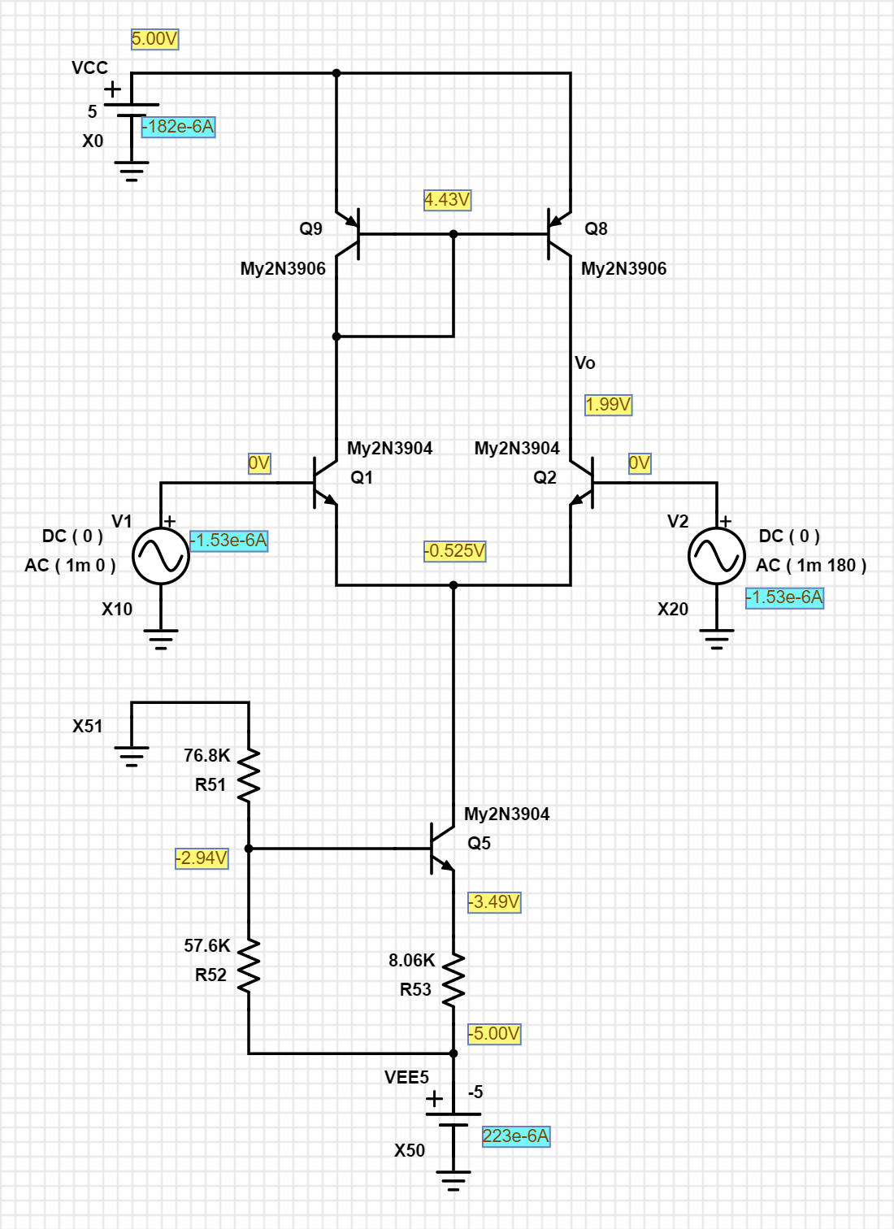
102.30597298 | 6.3785605601 | -0.52998850941 | 70.07
104.66512108 | 6.3785478346 | -0.54220918022 | 70.07
107.0786705 | 6.3785345155 | -0.55471160537 | 70.07
109.54787571 | 6.3785205752 | -0.56750227841 | 70.07
112.07402013 | 6.3785059847 | -0.58058784241 | 70.07
114.65841676 | 6.3784907136 | -0.59397509331 | 70.07
117.30240887 | 6.3784747302 | -0.60767098352 | 70.07
120.00737073 | 6.3784580012 | -0.62168262541 | 70.07
122.77470828 | 6.378440492 | -0.63601729505 | 70.07
125.60585988 | 6.3784221662 | -0.65068243593 | 70.07
128.50229708 | 6.3784029855 | -0.6656856628 | 70.07
131.46552533 | 6.3783829103 | -0.68103476559 | 70.07
134.49708483 | 6.3783618987 | -0.69673771341 | 70.07
137.59855127 | 6.3783399071 | -0.71280265869 | 70.07
140.77153669 | 6.3783168899 | -0.72923794132 | 70.07
144.0176903 | 6.3782927991 | -0.74605209298 | 70.07
147.33869933 | 6.3782675847 | -0.7632538415 | 70.07
150.73628993 | 6.3782411944 | -0.78085211534 | 70.07
154.21222805 | 6.3782135733 | -0.79885604821 | 70.07
157.76832037 | 6.3781846641 | -0.81727498369 | 70.07
161.40641522 | 6.3781544065 | -0.8361184801 | 70.07
165.12840355 | 6.378122738 | -0.85539631533 | 70.07
168.93621992 | 6.3780895925 | -0.87511849186 | 70.07
172.83184351 | 6.3780549013 | -0.89529524192 | 70.07
176.81729913 | 6.3780185923 | -0.91593703265 | 70.07
180.89465828 | 6.3779805902 | -0.93705457153 | 70.07
185.06604023 | 6.3779408154 | -0.95865881169 | 70.07
189.33361312 | 6.3778991864 | -0.98076095784 | 70.07
193.69959509 | 6.377855616 | -1.0033724715 | 70.07
198.16625542 | 6.3778100142 | -1.0265050772 | 70.07
202.73591574 | 6.377762286 | -1.0501707684 | 70.07
207.41095118 | 6.3777123325 | -1.0743818133 | 70.07
212.19379168 | 6.3776600497 | -1.0991507614 | 70.07
217.0869232 | 6.3776053294 | -1.1244904497 | 70.07
222.092889 | 6.3775480577 | -1.1504140092 | 70.07
227.21429102 | 6.3774881159 | -1.1769348718 | 70.07
232.45379118 | 6.3774253796 | -1.2040667765 | 70.07
237.81411281 | 6.3773597182 | -1.2318237768 | 70.07
243.298042 | 6.3772909962 | -1.2602202479 | 70.07
248.90842912 | 6.3772190705 | -1.2892708934 | 70.07
254.64819025 | 6.377143792 | -1.3189907531 | 70.07
260.52030873 | 6.3770650046 | -1.3493952104 | 70.07
266.52783666 | 6.3769825447 | -1.3805 | 70.07
272.67389657 | 6.3768962414 | -1.4123212157 | 70.07
278.96168296 | 6.3768059152 | -1.4448753184 | 70.07
285.39446401 | 6.3767113799 | -1.4781791449 | 70.07
291.97558325 | 6.3766124388 | -1.5122499151 | 70.07 |  |  |  | PartSim Screenshot of AC Frequency Response Vo
298.70846132 | 6.3765088869 | -1.5471052415 | 70.07
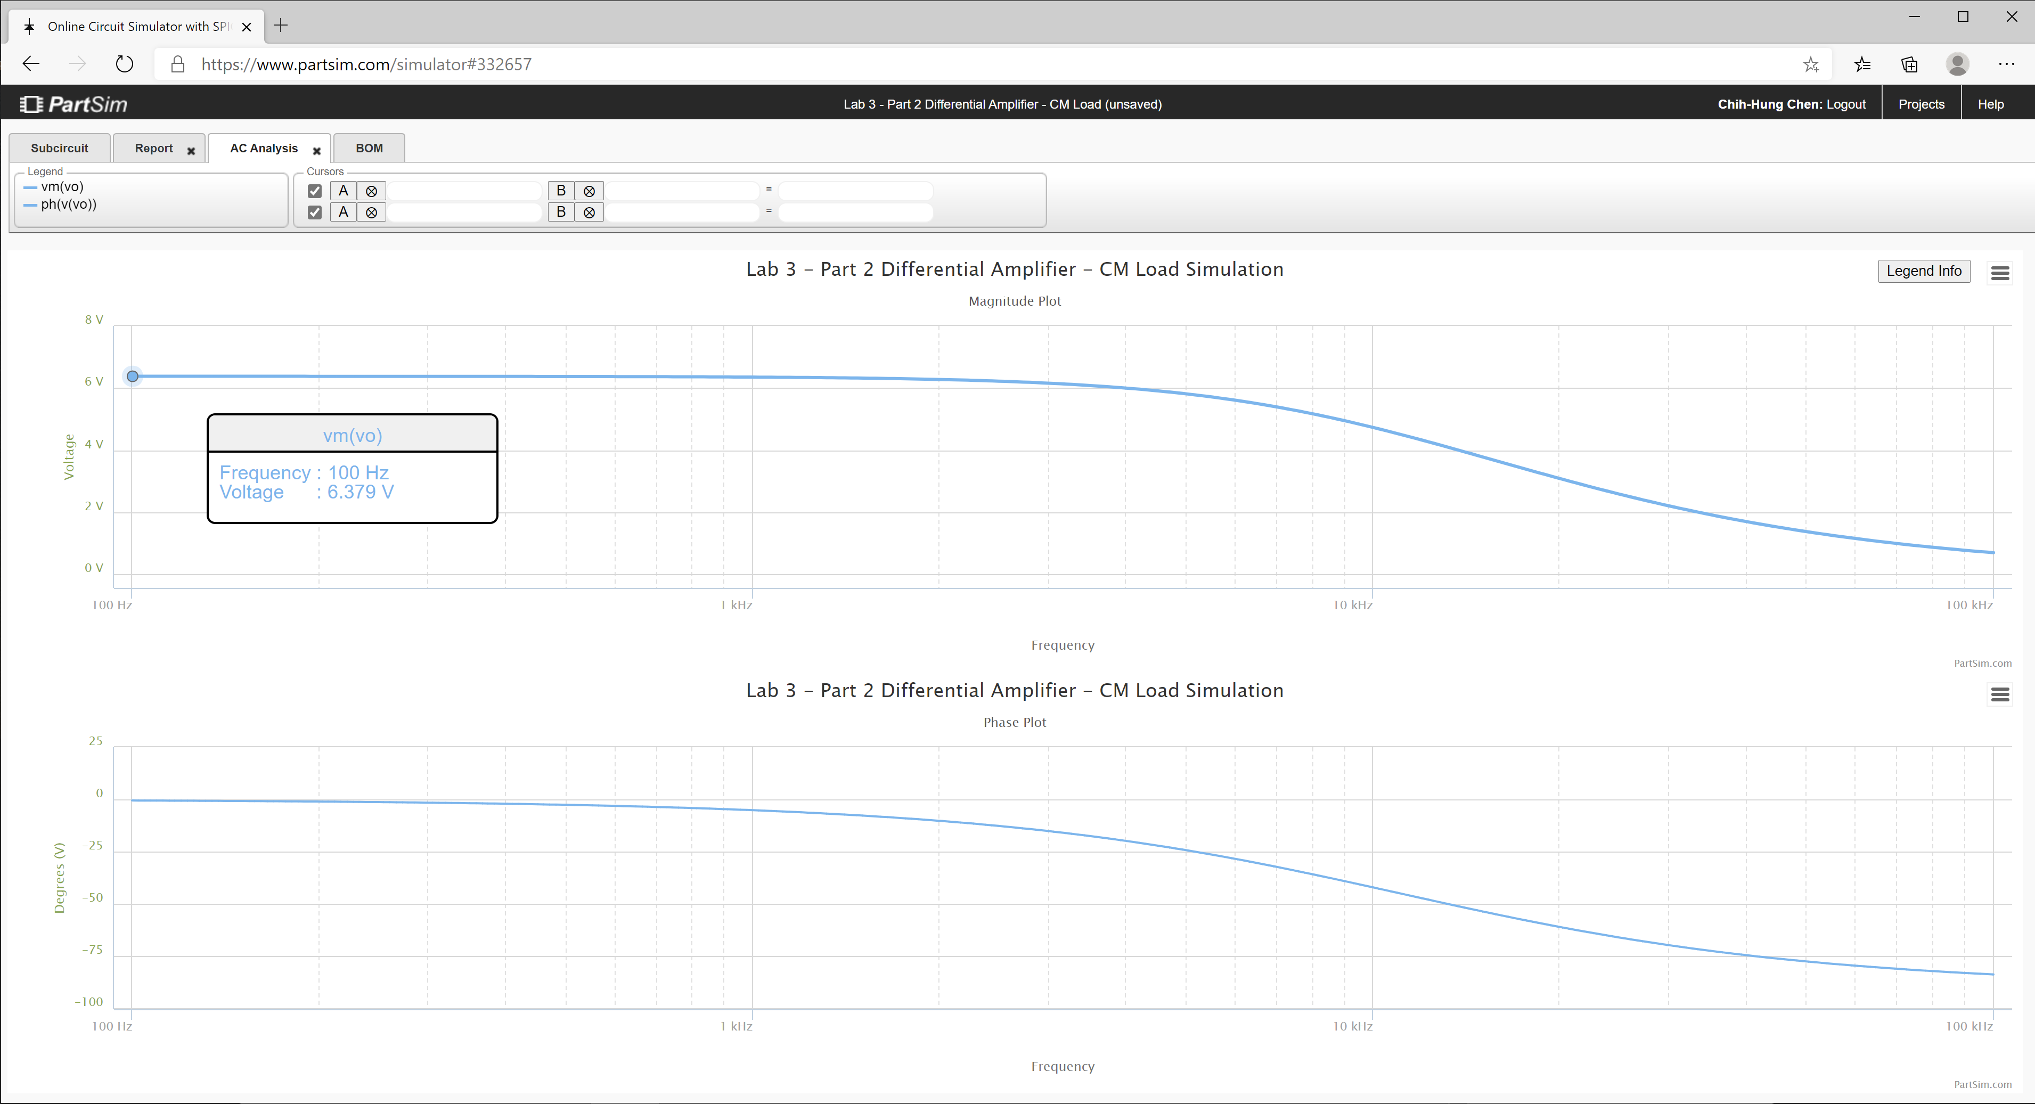
305.59659774 | 6.3764005097 | -1.5827631374 | 70.07
312.64357272 | 6.3762870821 | -1.6192420262 | 70.07
319.85304905 | 6.3761683696 | -1.6565607499 | 70.07
327.22877395 | 6.3760441263 | -1.6947385791 | 70.07
334.77458107 | 6.3759140947 | -1.7337952214 | 70.07
342.49439247 | 6.3757780055 | -1.7737508321 | 70.07
350.39222063 | 6.3756355766 | -1.8146260232 | 70.07
358.47217058 | 6.3754865137 | -1.8564418739 | 70.07
366.73844199 | 6.3753305081 | -1.8992199404 | 70.07
375.19533138 | 6.3751672369 | -1.9429822664 | 70.07
383.84723436 | 6.3749963621 | -1.9877513938 | 70.07
392.69864789 | 6.3748175302 | -2.0335503734 | 70.07
401.75417262 | 6.3746303723 | -2.080402776 | 70.07
411.0185153 | 6.3744345006 | -2.1283327029 | 70.07
420.49649122 | 6.3742295108 | -2.1773647985 | 70.07
430.19302671 | 6.3740149793 | -2.2275242604 | 70.07
440.11316169 | 6.3737904625 | -2.2788368522 | 70.07
450.2620523 | 6.3735554974 | -2.3313289153 | 70.07
460.64497358 | 6.3733095977 | -2.3850273805 | 70.07
471.26732222 | 6.373052258 | -2.4399597816 | 70.07
482.13461936 | 6.3727829466 | -2.4961542663 | 70.07
493.25251343 | 6.3725011079 | -2.5536396101 | 70.07
504.62678313 | 6.3722061612 | -2.612445229 | 70.07
516.26334042 | 6.3718974985 | -2.6726011925 | 70.06
528.16823358 | 6.3715744837 | -2.7341382367 | 70.06
540.34765036 | 6.3712364534 | -2.7970877794 | 70.06
552.8079212 | 6.3708827112 | -2.8614819313 | 70.06
565.55552251 | 6.3705125296 | -2.9273535115 | 70.06
578.59708007 | 6.370125147 | -2.9947360608 | 70.06
591.93937243 | 6.3697197684 | -3.0636638574 | 70.06
605.58933444 | 6.3692955616 | -3.1341719294 | 70.06
619.55406089 | 6.3688516559 | -3.2062960701 | 70.06
633.84081015 | 6.3683871405 | -3.2800728528 | 70.06
648.457008 | 6.3679010643 | -3.3555396459 | 70.06
663.41025142 | 6.3673924308 | -3.4327346264 | 70.06
678.70831259 | 6.3668601994 | -3.5116967968 | 70.06
694.35914292 | 6.366303282 | -3.5924659994 | 70.06
710.37087717 | 6.3657205397 | -3.6750829306 | 70.06
726.75183769 | 6.3651107837 | -3.7595891583 | 70.06
743.51053873 | 6.3644727692 | -3.8460271348 | 70.05
760.65569088 | 6.3638051961 | -3.9344402137 | 70.05
778.19620562 | 6.3631067051 | -4.0248726652 | 70.05
796.14119989 | 6.3623758742 | -4.11736969 | 70.05
814.50000087 | 6.3616112195 | -4.2119774372 | 70.05
833.28215085 | 6.3608111876 | -4.3087430163 | 70.05
852.49741213 | 6.3599741566 | -4.4077145151 | 70.05
872.15577214 | 6.3590984306 | -4.5089410125 | 70.05
892.26744863 | 6.3581822384 | -4.6124725953 | 70.05
912.84289494 | 6.3572237291 | -4.7183603714 | 70.04
933.89280549 | 6.3562209681 | -4.8266564839 | 70.04
955.42812129 | 6.3551719349 | -4.9374141263 | 70.04
977.46003565 | 6.3540745198 | -5.050687556 | 70.04
1000 | 6.3529265171 | -5.166532106 | 70.04
1023.0597298 | 6.3517256247 | -5.2850042 | 70.04
1046.6512108 | 6.3504694389 | -5.4061613641 | 70.04
1070.786705 | 6.3491554479 | -5.5300622368 | 70.03
1095.4787571 | 6.3477810313 | -5.6567665828 | 70.03
1120.7402013 | 6.3463434518 | -5.7863353013 | 70.03
1146.5841676 | 6.3448398534 | -5.9188304373 | 70.03
1173.0240887 | 6.343267254 | -6.0543151884 | 70.03
1200.0737073 | 6.3416225431 | -6.1928539149 | 70.02
1227.7470828 | 6.3399024741 | -6.3345121448 | 70.02
1256.0585988 | 6.3381036597 | -6.4793565792 | 70.02
1285.0229708 | 6.3362225677 | -6.6274550986 | 70.02
1314.6552533 | 6.3342555129 | -6.778876763 | 70.01
1344.9708483 | 6.332198654 | -6.9336918165 | 70.01
1375.9855127 | 6.3300479839 | -7.0919716829 | 70.01
1407.7153669 | 6.327799329 | -7.2537889697 | 70.00
1440.176903 | 6.3254483358 | -7.4192174565 | 70.00
1473.3869933 | 6.3229904706 | -7.5883320963 | 70.00
1507.3628993 | 6.320421009 | -7.7612090017 | 69.99
1542.1222805 | 6.3177350314 | -7.9379254387 | 69.99
1577.6832037 | 6.314927414 | -8.1185598096 | 69.99
1614.0641522 | 6.3119928232 | -8.3031916394 | 69.98
1651.2840355 | 6.3089257082 | -8.4919015566 | 69.98
1689.3621992 | 6.3057202927 | -8.6847712697 | 69.97
1728.3184351 | 6.3023705674 | -8.8818835414 | 69.97
1768.1729913 | 6.2988702852 | -9.0833221634 | 69.96
1808.9465828 | 6.2952129502 | -9.2891719176 | 69.96
1850.6604023 | 6.2913918111 | -9.4995185418 | 69.95
1893.3361312 | 6.2873998547 | -9.7144486879 | 69.95
1936.9959509 | 6.2832297962 | -9.934049874 | 69.94
1981.6625542 | 6.2788740748 | -10.158410437 | 69.94
2027.3591574 | 6.2743248419 | -10.38761947 | 69.93
2074.1095118 | 6.2695739565 | -10.621766765 | 69.92
2121.9379168 | 6.2646129772 | -10.860942742 | 69.92
2170.869232 | 6.2594331556 | -11.105238379 | 69.91
2220.92889 | 6.2540254269 | -11.354745124 | 69.90
2272.1429102 | 6.248380406 | -11.609554812 | 69.89
2324.5379118 | 6.2424883793 | -11.869759572 | 69.89
2378.1411281 | 6.2363392998 | -12.13545172 | 69.88
2432.98042 | 6.2299227822 | -12.406723655 | 69.87
2489.0842912 | 6.2232280931 | -12.683667727 | 69.86
2546.4819025 | 6.2162441537 | -12.96637613 | 69.85
2605.2030873 | 6.2089595309 | -13.254940748 | 69.84
2665.2783666 | 6.2013624339 | -13.549453015 | 69.83
2726.7389657 | 6.1934407161 | -13.850003769 | 69.82
2789.6168296 | 6.1851818703 | -14.156683073 | 69.81
2853.9446401 | 6.1765730283 | -14.469580049 | 69.79
2919.7558325 | 6.1676009638 | -14.788782687 | 69.78
2987.0846132 | 6.1582520922 | -15.114377653 | 69.77
3055.9659774 | 6.1485124761 | -15.446450079 | 69.75
3126.4357272 | 6.1383678282 | -15.785083345 | 69.74
3198.5304905 | 6.1278035192 | -16.130358847 | 69.73
3272.2877395 | 6.1168045844 | -16.482355757 | 69.71
3347.7458107 | 6.1053557359 | -16.841150771 | 69.69
3424.9439247 | 6.0934413735 | -17.206817843 | 69.68
3503.9222063 | 6.0810455982 | -17.57942791 | 69.66
3584.7217058 | 6.0681522293 | -17.959048601 | 69.64
3667.3844199 | 6.0547448238 | -18.345743943 | 69.62
3751.9533138 | 6.0408066966 | -18.73957405 | 69.60
3838.4723436 | 6.0263209472 | -19.140594807 | 69.58
3926.9864789 | 6.0112704814 | -19.548857529 | 69.56
4017.5417262 | 5.9956380474 | -19.964408639 | 69.54
4110.185153 | 5.9794062636 | -20.387289306 | 69.51
4204.9649122 | 5.9625576575 | -20.817535099 | 69.49
4301.9302671 | 5.9450747042 | -21.255175624 | 69.46
4401.1316169 | 5.9269398681 | -21.700234154 | 69.44
4502.620523 | 5.9081356497 | -22.152727263 | 69.41
4606.4497358 | 5.8886446345 | -22.612664446 | 69.38
4712.6732222 | 5.8684495457 | -23.08004775 | 69.35
4821.3461936 | 5.8475333001 | -23.554871396 | 69.32
4932.5251343 | 5.8258790675 | -24.037121409 | 69.29
5046.2678313 | 5.8034703337 | -24.52677525 | 69.25
5162.6334042 | 5.7802909659 | -25.023801456 | 69.22
5281.6823358 | 5.7563252815 | -25.528159289 | 69.18
5403.4765036 | 5.7315581199 | -26.039798396 | 69.14
5528.079212 | 5.705974915 | -26.558658476 | 69.11
5655.5552251 | 5.6795617747 | -27.08466899 | 69.07
5785.9708007 | 5.6523055574 | -27.617748857 | 69.02
5919.3937243 | 5.6241939506 | -28.157806187 | 68.98
6055.8933444 | 5.595215555 | -28.704738048 | 68.94
6195.5406089 | 5.5653599645 | -29.258430255 | 68.89
6338.4081015 | 5.5346178482 | -29.818757179 | 68.84
6484.57008 | 5.5029810326 | -30.385581609 | 68.79
6634.1025142 | 5.4704425832 | -30.958754646 | 68.74
6787.0831259 | 5.4369968824 | -31.538115626 | 68.69
6943.5914292 | 5.4026397062 | -32.123492092 | 68.63
7103.7087717 | 5.3673683012 | -32.71469983 | 68.57
7267.5183769 | 5.3311814517 | -33.311542914 | 68.52
7435.1053873 | 5.294079548 | -33.913813831 | 68.46
7606.5569088 | 5.2560646479 | -34.521293649 | 68.39
7781.9620562 | 5.2171405316 | -35.133752233 | 68.33
7961.4119989 | 5.1773127506 | -35.75094851 | 68.26
8145.0000087 | 5.1365886713 | -36.372630805 | 68.19
8332.8215085 | 5.094977508 | -36.998537208 | 68.12
8524.9741213 | 5.0524903502 | -37.628396014 | 68.05
8721.5577214 | 5.00914018 | -38.261926206 | 67.97
8922.6744863 | 4.9649418794 | -38.898837979 | 67.90
9128.4289494 | 4.9199122302 | -39.538833343 | 67.82
9338.9280549 | 4.874069901 | -40.181606732 | 67.74
9554.2812129 | 4.8274354283 | -40.826845708 | 67.65
9774.6003565 | 4.7800311814 | -41.474231643 | 67.57
10000 | 4.7318813233 | -42.123440501 | 67.48
10230.597298 | 4.6830117569 | -42.774143608 | 67.39
10466.512108 | 4.6334500636 | -43.426008478 | 67.30
10707.86705 | 4.5832254303 | -44.078699634 | 67.20
10954.787571 | 4.5323685702 | -44.731879492 | 67.11
11207.402013 | 4.480911631 | -45.385209203 | 67.01
11465.841676 | 4.4288880982 | -46.038349552 | 66.91
11730.240887 | 4.3763326898 | -46.690961835 | 66.80
12000.737073 | 4.323281243 | -47.342708729 | 66.70
12277.470828 | 4.2697705977 | -47.99325517 | 66.59
12560.585988 | 4.2158384726 | -48.642269199 | 66.48
12850.229708 | 4.1615233394 | -49.289422809 | 66.36
13146.552533 | 4.1068642921 | -49.934392742 | 66.25
13449.708483 | 4.0519009166 | -50.576861294 | 66.13
13759.855127 | 3.9966731556 | -51.216517024 | 66.01
14077.153669 | 3.9412211787 | -51.853055511 | 65.89
14401.76903 | 3.8855852482 | -52.486179983 | 65.77
14733.869933 | 3.8298055904 | -53.115601967 | 65.64
15073.628993 | 3.7739222684 | -53.741041856 | 65.52
15421.222805 | 3.7179750581 | -54.362229434 | 65.39
15776.832037 | 3.66200333 | -54.978904365 | 65.25
16140.641522 | 3.6060459341 | -55.590816598 | 65.12
16512.840355 | 3.5501410928 | -56.197726755 | 64.98
16893.621992 | 3.4943262984 | -56.799406434 | 64.85
17283.184351 | 3.4386382181 | -57.395638482 | 64.71
17681.729913 | 3.3831126062 | -57.986217202 | 64.57
18089.465828 | 3.3277842234 | -58.570948507 | 64.42
18506.604023 | 3.2726867639 | -59.149650038 | 64.28
18933.361312 | 3.2178527908 | -59.722151213 | 64.13
19369.959509 | 3.163313678 | -60.288293245 | 63.98
19816.625542 | 3.1090995615 | -60.847929103 | 63.83
20273.591574 | 3.0552392976 | -61.400923445 | 63.68
20741.095118 | 3.0017604285 | -61.947152501 | 63.53
21219.379168 | 2.9486891558 | -62.486503915 | 63.37
21708.69232 | 2.8960503211 | -63.018876576 | 63.22
22209.2889 | 2.8438673926 | -63.544180375 | 63.06
22721.429102 | 2.7921624593 | -64.062335991 | 62.90
23245.379118 | 2.7409562308 | -64.5732746 | 62.74
23781.411281 | 2.6902680422 | -65.076937589 | 62.58
24329.8042 | 2.6401158656 | -65.573276246 | 62.41
24890.842912 | 2.5905163255 | -66.062251437 | 62.25
25464.819025 | 2.541484719 | -66.543833255 | 62.08
26052.030873 | 2.4930350402 | -67.018000674 | 61.91
26652.783666 | 2.4451800074 | -67.484741184 | 61.75
27267.389657 | 2.3979310951 | -67.944050423 | 61.58
27896.168296 | 2.351298567 | -68.395931811 | 61.41
28539.446401 | 2.3052915129 | -68.84039617 | 61.23
29197.558325 | 2.2599178863 | -69.277461345 | 61.06
29870.846132 | 2.215184545 | -69.707151843 | 60.89
30559.659774 | 2.1710972919 | -70.129498449 | 60.71
31264.357272 | 2.1276609178 | -70.544537874 | 60.54
31985.304905 | 2.0848792438 | -70.952312378 | 60.36
32722.877395 | 2.0427551656 | -71.352869437 | 60.18
33477.458107 | 2.0012906963 | -71.746261375 | 60.01
34249.439247 | 1.9604870109 | -72.132545045 | 59.83
35039.222063 | 1.9203444893 | -72.511781491 | 59.65
35847.217058 | 1.8808627592 | -72.884035633 | 59.47
36673.844199 | 1.842040739 | -73.249375961 | 59.29
37519.533138 | 1.8038766791 | -73.607874233 | 59.10
38384.723436 | 1.766368203 | -73.959605201 | 58.92
39269.864789 | 1.729512347 | -74.304646318 | 58.74
40175.417262 | 1.6933055992 | -74.643077496 | 58.55
41101.85153 | 1.657743937 | -74.974980844 | 58.37
42049.649122 | 1.6228228637 | -75.300440421 | 58.18
43019.302671 | 1.5885374439 | -75.61954203 | 58.00
44011.316169 | 1.5548823369 | -75.932372975 | 57.81
45026.20523 | 1.5218518299 | -76.239021875 | 57.63
46064.497358 | 1.489439869 | -76.539578461 | 57.44
47126.732222 | 1.4576400892 | -76.83413339 | 57.25
48213.461936 | 1.426445843 | -77.122778081 | 57.06
49325.251343 | 1.3958502276 | -77.40560454 | 56.88
50462.678313 | 1.365846111 | -77.682705212 | 56.69
51626.334042 | 1.3364261564 | -77.954172841 | 56.50
52816.823358 | 1.3075828459 | -78.22010033 | 56.31
54034.765036 | 1.2793085021 | -78.480580617 | 56.12
55280.79212 | 1.2515953096 | -78.735706558 | 55.93
56555.552251 | 1.2244353342 | -78.985570821 | 55.74
57859.708007 | 1.1978205415 | -79.230265777 | 55.55
59193.937243 | 1.1717428146 | -79.469883416 | 55.36
60558.933444 | 1.1461939701 | -79.704515257 | 55.16
61955.406089 | 1.1211657738 | -79.934252264 | 54.97
63384.081015 | 1.0966499546 | -80.159184783 | 54.78
64845.7008 | 1.0726382181 | -80.379402464 | 54.59
66341.025142 | 1.0491222588 | -80.594994206 | 54.40
67870.831259 | 1.0260937722 | -80.806048104 | 54.20
69435.914292 | 1.0035444649 | -81.012651391 | 54.01
71037.087717 | 0.98146606497 | -81.214890402 | 53.82
72675.183769 | 0.95985033081 | -81.412850526 | 53.62
74351.053873 | 0.93868905994 | -81.606616172 | 53.43
76065.569088 | 0.91797409658 | -81.796270736 | 53.24
77819.620562 | 0.89769733886 | -81.981896578 | 53.04
79614.119989 | 0.87785074536 | -82.16357499 | 52.85
81450.000087 | 0.85842634104 | -82.341386177 | 52.65
83328.215085 | 0.8394162227 | -82.515409244 | 52.46
85249.741213 | 0.82081256385 | -82.685722171 | 52.26
87215.577214 | 0.80260761919 | -82.85240181 | 52.07
89226.744863 | 0.78479372854 | -83.015523871 | 51.87
91284.289494 | 0.76736332041 | -83.175162913 | 51.68
93389.280549 | 0.75030891519 | -83.331392344 | 51.48
95542.812129 | 0.73362312788 | -83.48428441 | 51.29
97746.003565 | 0.7172986706 | -83.633910204 | 51.09
100000 | 0.70132835463 | -83.780339656 | 50.90

Step 3.6
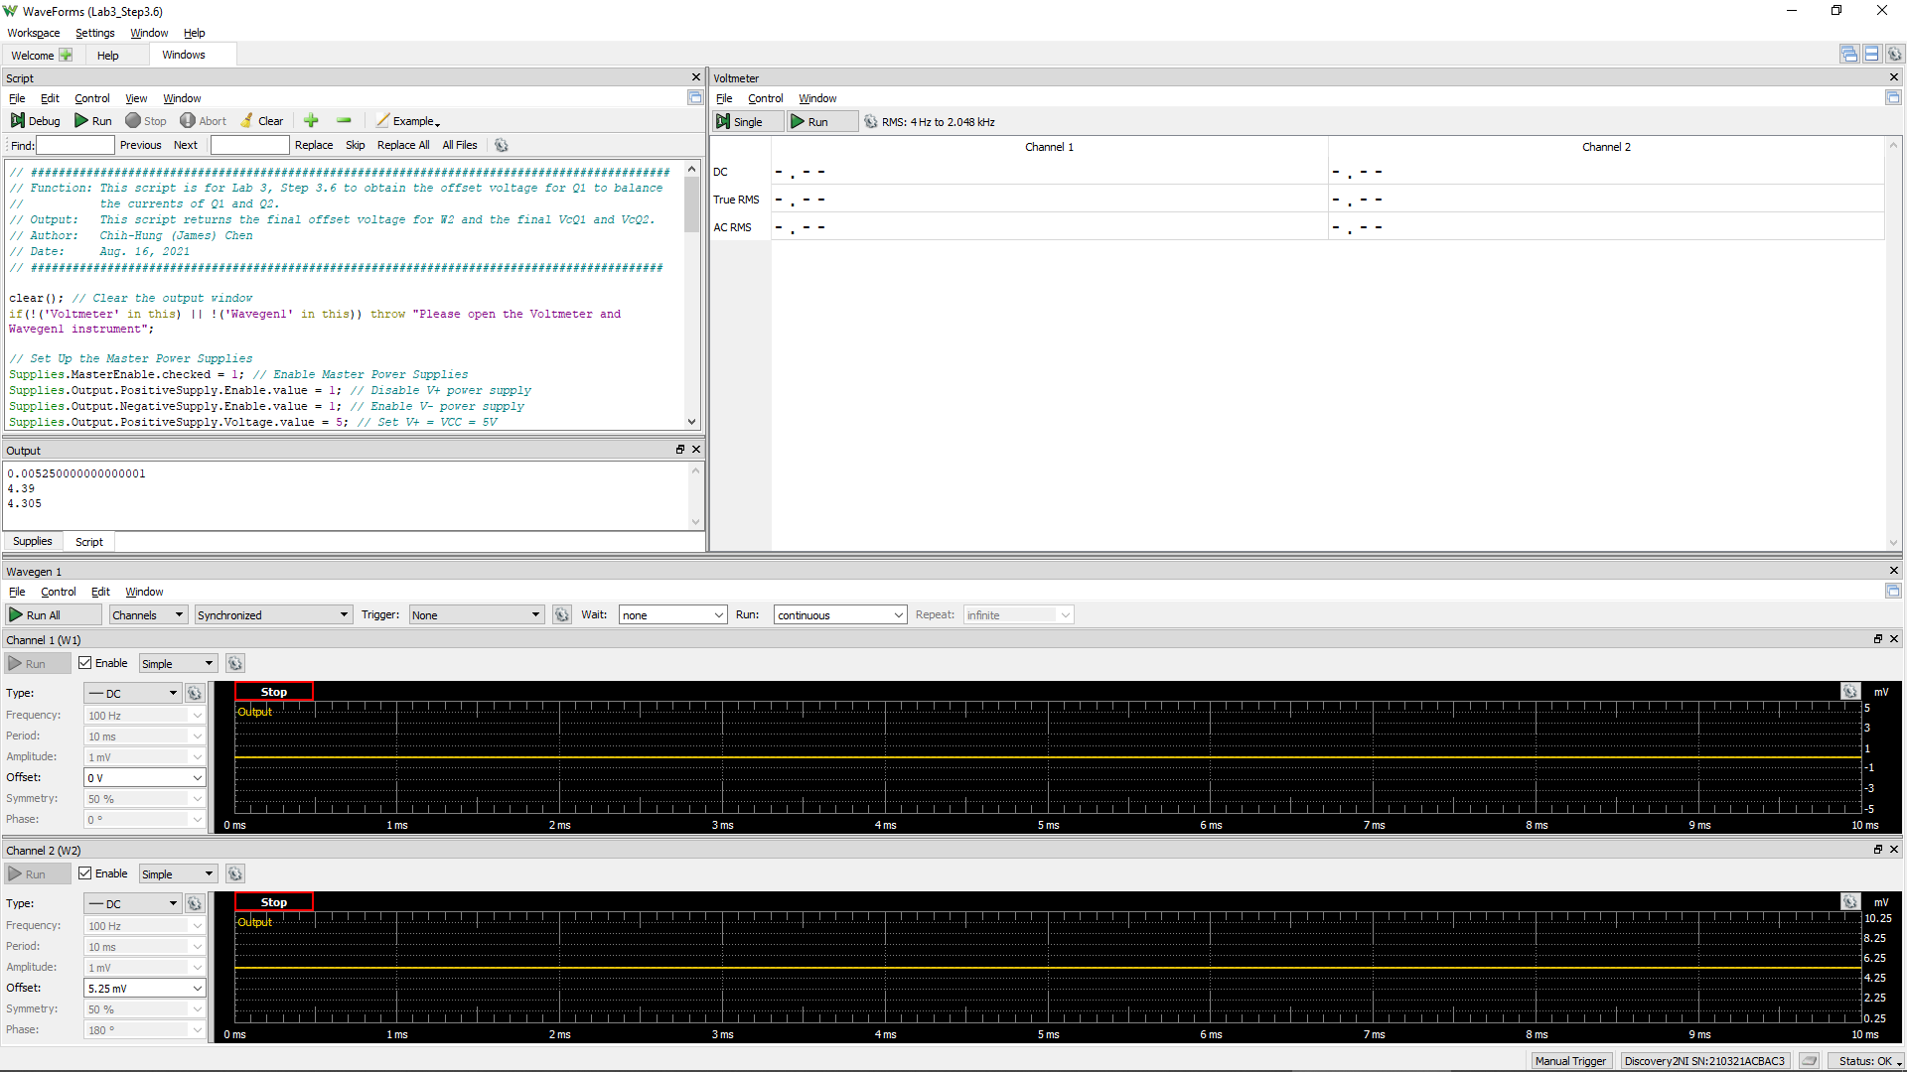
VCC =VE9 = VE8 | VC1 (= VC9 = VB9 = VB8) | Vo (= VC2 = VC8) | VEB9 | VBC8 | W2Offset
Volt | Volt | Volt | Volt | Volt | Volt
5.0 | 4.405 | 4.123 | 0.595 | 0.282 | -1.04E-02
 |  |  | Q9 is ON if VEB9 > 0.6 | Q8 is in Active Region if VBC8 > -0.4 V

Step 3.8
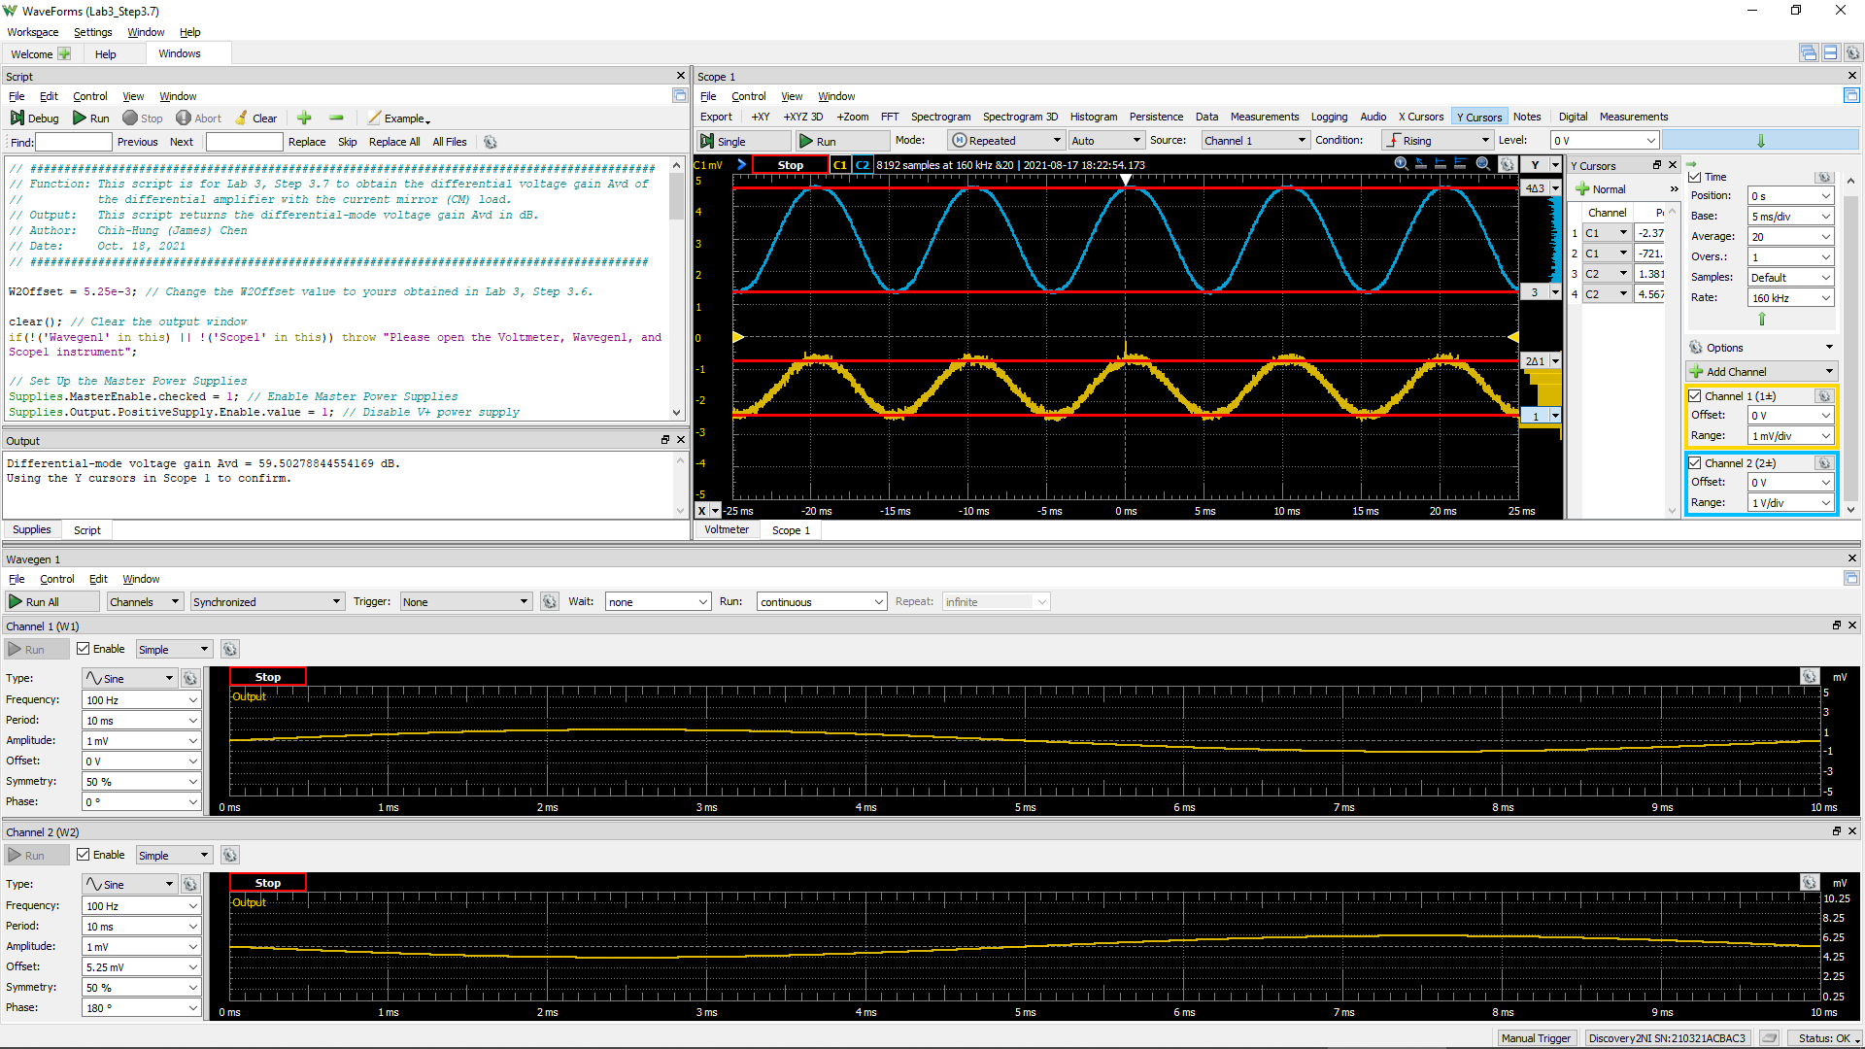
DC1 (V) = Vsig(Peak2Peak) | DC2 (V) = Vo(Peak2Peak) | Differential Voltage Gain Avd of a Single-Stage Differential Amplifier (dB)
1.7551E-03 | 3.1856 | 59.2 | 9.0753E+02

Step 3.9
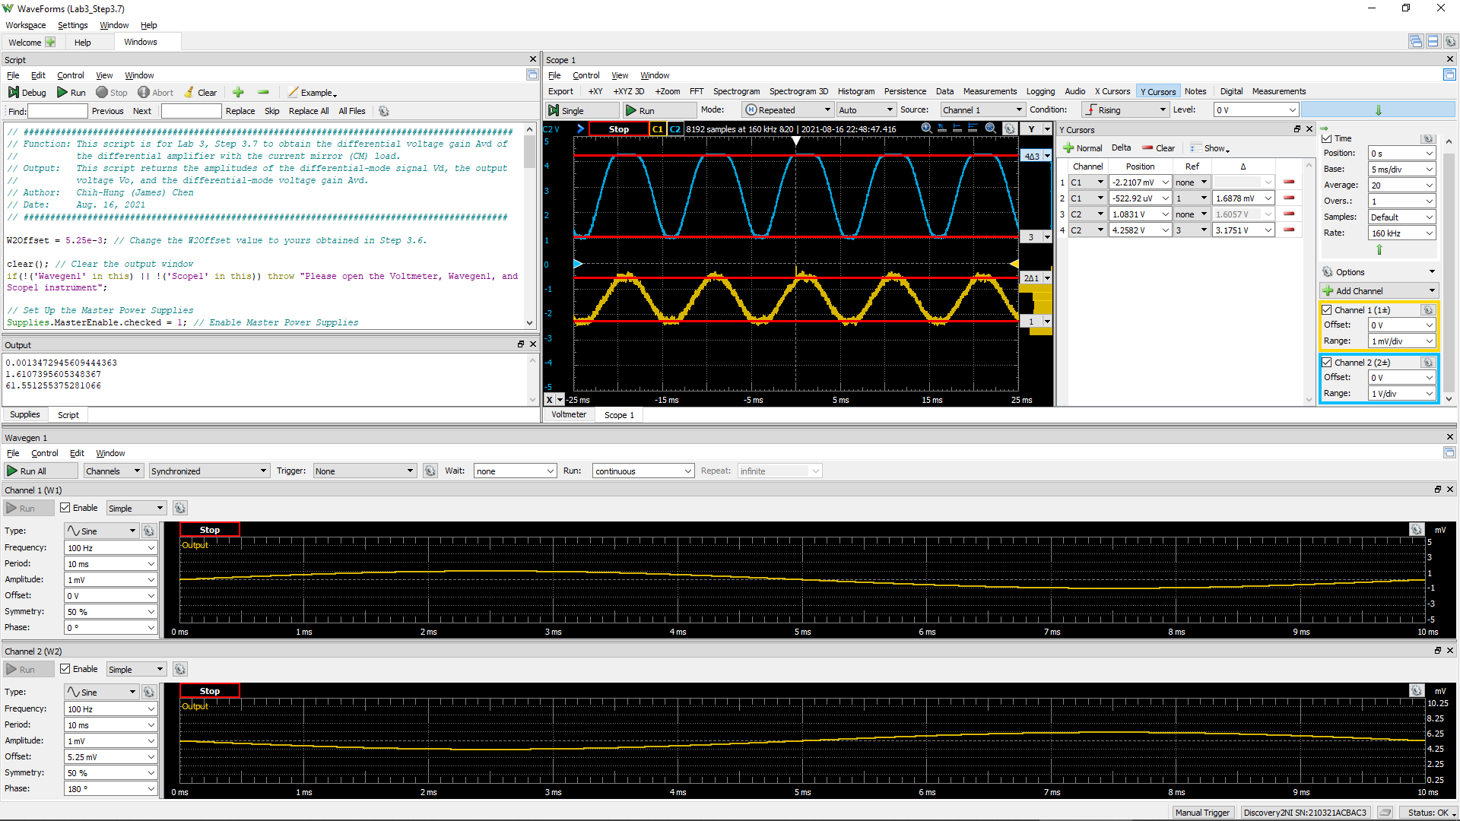
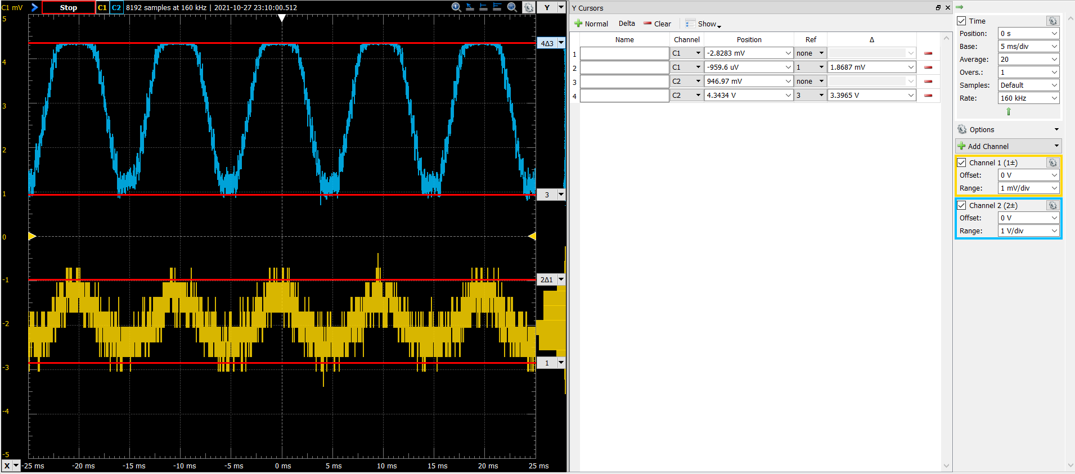
DC1 (V) = Vsig(Peak2Peak) | DC2 (V) = Vo(Peak2Peak) | Differential Voltage Gain Av of a 2-Stage Differential Amplifier(dB)
1.8678E-03 | 3.3965 | 59.2

